Performance Map
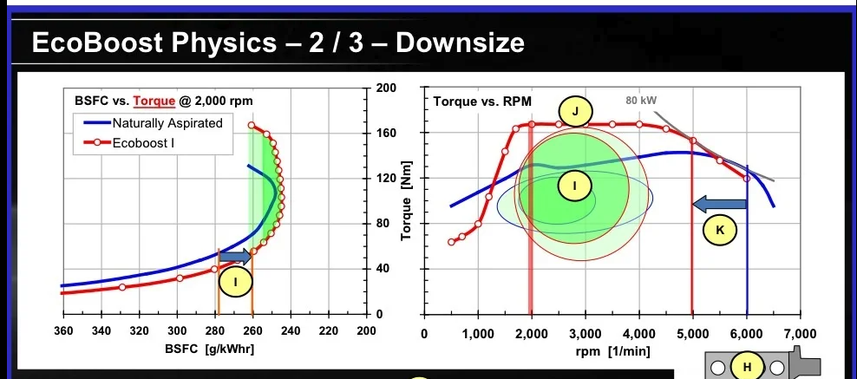
 |  |  | RPM | Torque (Nm) | Torque (Nm) @10kW | Torque (Nm) @20kW | Torque (Nm) @30kW | Torque (Nm) @40kW | Torque (Nm) @50kW | Torque (Nm) @60kW | Torque (Nm) @70kW | Torque (Nm) @80kW | Velocity (mph) | Available Tractive F (N) @70kW | Resistive F (N) @0° | Resistive F (N) @5° | Resistive F (N) @10° | Resistive F (N) @15° | Resistive F (N) @20° | Resistive F (N) @25° | Resistive F (N) @30° | G1 | Velocity (mph) | Input Torque (Nm) | Available Tractive F (N) | G2 | Velocity (mph) | Input Torque (Nm) | Available Tractive F (N) | G3 | Velocity (mph) | Input Torque (Nm) | Available Tractive F (N) | G4 | Velocity (mph) | Input Torque (Nm) | Available Tractive F (N) | G5 | Velocity (mph) | Input Torque (Nm) | Available Tractive F (N)
Cr | 0.016 |  | 400 |  | 238.7 |  |  |  |  |  |  |  | 0 |  | 171 | 1101 | 2023 | 2930 | 3814 | 4670 | 5490 | 9 |  |  |  | 6 |  |  |  | 4 |  |  |  | 3 |  |  |  | 2.4
Cd | 0.321 |  | 500 |  | 191.0 |  |  |  |  |  |  |  | 3 | 52195 | 172 | 1102 | 2024 | 2931 | 3815 | 4671 | 5490
Mass (kg) | 1089 |  | 600 |  | 159.2 |  |  |  |  |  |  |  | 6 | 26098 | 174 | 1104 | 2026 | 2933 | 3817 | 4673 | 5493
Area (m2) | 2.15 |  | 700 |  | 136.4 |  |  |  |  |  |  |  | 9 | 17398 | 178 | 1108 | 2030 | 2937 | 3821 | 4676 | 5496
Wheel Radius (m) | 0.292 |  | 800 |  | 119.4 |  |  |  |  |  |  |  | 12 | 13049 | 183 | 1113 | 2035 | 2942 | 3826 | 4682 | 5501
Gradient (°) | 0 |  | 900 |  | 106.1 | 212.2 |  |  |  |  |  |  | 15 | 10439 | 190 | 1120 | 2042 | 2949 | 3833 | 4688 | 5508
 |  |  | 1000 | 103.5 | 95.5 | 191.0 |  |  |  |  |  |  | 18 | 8699 | 198 | 1128 | 2050 | 2957 | 3841 | 4697 | 5516 |  | 7.60 | 5.70 | 3189 |  | 11.40 | 8.85 | 2126 |  | 17.10 | 14.25 | 1417 |  | 22.81 | 20.84 | 1063 |  | 28.51 | 28.99 | 850
Ford EcoBoost 1.0L Petrol Engine Performance Map
 | T @10kW | T @20kW | T @30kW | T @40kW | T @50kW | T @60kW | T @70kW | T @80kW | Max T | G5 | G4 | G3
400 | 238.7
500 | 191.0
600 | 159.2
700 | 136.4
800 | 119.4
900 | 106.1 | 212.20659079
1000 | 95.5 | 190.98593171 |  |  |  |  |  |  | 103.5 | 28.990929111 | 20.835287224 | 14.251282714
1100 | 86.8 | 173.62357428 |  |  |  |  |  |  | 117.6 | 30.709907491 | 21.715404155 | 14.622582044
1200 | 79.6 | 159.15494309 |  |  |  |  |  |  | 129.3 | 32.592598099 | 22.679341746 | 15.029243215
1300 | 73.5 | 146.91225516 |  |  |  |  |  |  | 139.3 | 34.639000933 | 23.727099997 | 15.471266227
1400 | 68.2 | 136.41852265 | 204.62778398 |  |  |  |  |  | 147.8 | 36.849115993 | 24.858678908 | 15.94865108
1500 | 63.7 | 127.32395447 | 190.98593171 |  |  |  |  |  | 155.2 | 39.222943281 | 26.074078479 | 16.461397774
1600 | 59.7 | 119.36620732 | 179.04931098 |  |  |  |  |  | 161.7 | 41.760482795 | 27.37329871 | 17.009506309
1700 | 56.2 | 112.34466571 | 168.51699857 |  |  |  |  |  | 167.4 | 44.461734536 | 28.756339601 | 17.592976685
1800 | 53.1 | 106.10329539 | 159.15494309 |  |  |  |  |  | 170 | 47.326698503 | 30.223201153 | 18.211808902
1900 | 50.3 | 100.51891143 | 150.77836714 | 201.03782285 |  |  |  |  | 170 | 50.355374698 | 31.773883364 | 18.86600296
2000 | 47.7 | 95.492965855 | 143.23944878 | 190.98593171 |  |  |  |  | 170 | 53.547763119 | 33.408386236 | 19.555558859
2100 | 45.5 | 90.945681767 | 136.41852265 | 181.89136353 |  |  |  |  | 170 | 56.903863766 | 35.126709768 | 20.280476599
2200 | 43.4 | 86.811787141 | 130.21768071 | 173.62357428 |  |  |  |  | 170 | 60.423676641 | 36.928853959 | 21.04075618
2300 | 41.5 | 83.037361613 | 124.55604242 | 166.07472323 | 207.59340403 |  |  |  | 170 | 64.107201742 | 38.814818811 | 21.836397602
2400 | 39.8 | 79.577471546 | 119.36620732 | 159.15494309 | 198.94367886 |  |  |  | 170 | 67.95443907 | 40.784604323 | 22.667400865
2500 | 38.2 | 76.394372684 | 114.59155903 | 152.78874537 | 190.98593171 |  |  |  | 170 | 71.965388624 | 42.838210495 | 23.533765968
2600 | 36.7 | 73.456127581 | 110.18419137 | 146.91225516 | 183.64031895 |  |  |  | 170 | 76.140050406 | 44.975637327 | 24.435492913
2700 | 35.4 | 70.735530263 | 106.10329539 | 141.47106053 | 176.83882566 |  |  |  | 170 | 80.478424414 | 47.196884819 | 25.372581699
2800 | 34.1 | 68.209261325 | 102.31389199 | 136.41852265 | 170.52315331 | 204.62778398 |  |  | 170 | 84.980510648 | 49.501952971 | 26.345032326
2900 | 32.9 | 65.857217831 | 98.785826747 | 131.71443566 | 164.64304458 | 197.57165349 |  |  | 170 | 89.64630911 | 51.890841783 | 27.352844793
3000 | 31.8 | 63.661977237 | 95.492965855 | 127.32395447 | 159.15494309 | 190.98593171 |  |  | 170 | 94.475819798 | 54.363551256 | 28.396019102
3100 | 30.8 | 61.608365068 | 92.412547602 | 123.21673014 | 154.02091267 | 184.8250952 |  |  | 170 | 99.469042713 | 56.920081388 | 29.474555252
3200 | 29.8 | 59.683103659 | 89.524655489 | 119.36620732 | 149.20775915 | 179.04931098 |  |  | 170 | 104.62597785 | 59.560432181 | 30.588453242
3300 | 28.9 | 57.874524761 | 86.811787141 | 115.74904952 | 144.6863119 | 173.62357428 | 202.56083666 |  | 170 | 109.94662522 | 62.284603633 | 31.737713074
3400 | 28.1 | 56.172332856 | 84.258499284 | 112.34466571 | 140.43083214 | 168.51699857 | 196.603165 |  | 170 | 115.43098482 | 65.092595746 | 32.922334746
3500 | 27.3 | 54.56740906 | 81.85111359 | 109.13481812 | 136.41852265 | 163.70222718 | 190.98593171 |  | 170 | 121.07905664 | 67.984408519 | 34.14231826
3600 | 26.5 | 53.051647697 | 79.577471546 | 106.10329539 | 132.62911924 | 159.15494309 | 185.68076694 |  | 170 | 126.89084069 | 70.960041952 | 35.397663614
3700 | 25.8 | 51.617819381 | 77.426729072 | 103.23563876 | 129.04454845 | 154.85345814 | 180.66236783 |  | 170 | 132.86633696 | 74.019496044 | 36.68837081
3800 | 25.1 | 50.259455713 | 75.38918357 | 100.51891143 | 125.64863928 | 150.77836714 | 175.908095 | 201.03782285 | 170 | 139.00554547 | 77.162770797 | 38.014439846
3900 | 24.5 | 48.970751721 | 73.456127581 | 97.941503441 | 122.4268793 | 146.91225516 | 171.39763102 | 195.88300688 | 170 | 145.30846619 | 80.389866211 | 39.375870723
4000 | 23.9 | 47.746482928 | 71.619724391 | 95.492965855 | 119.36620732 | 143.23944878 | 167.11269025 | 190.98593171 | 167.1 | 151.77509915 | 83.700782284 | 40.772663442
4100 | 23.3 | 46.581934563 | 69.872901845 | 93.163869127 | 116.45483641 | 139.74580369 | 163.03677097 | 186.32773825 | 163 | 158.40544433 | 87.095519017 | 42.204818001
4200 | 22.7 | 45.472840883 | 68.209261325 | 90.945681767 | 113.68210221 | 136.41852265 | 159.15494309 | 181.89136353 | 159.2 | 165.19950174 | 90.57407641 | 43.672334401
4300 | 22.2 | 44.415332956 | 66.622999434 | 88.830665912 | 111.03833239 | 133.24599887 | 155.45366535 | 177.66133182 | 155.5 | 172.15727138 | 94.136454464 | 45.175212643
4400 | 21.7 | 43.405893571 | 65.108840356 | 86.811787141 | 108.51473393 | 130.21768071 | 151.9206275 | 173.62357428 | 151.9 | 179.27875324 | 97.782653177 | 46.713452725
4500 | 21.2 | 42.441318158 | 63.661977237 | 84.882636316 | 106.10329539 | 127.32395447 | 148.54461355 | 169.76527263 | 148.5 | 186.56394733 | 101.51267255 | 48.287054648
4600 | 20.8 | 41.518680807 | 62.27802121 | 83.037361613 | 103.79670202 | 124.55604242 | 145.31538282 | 166.07472323 | 145.3 | 194.01285364 | 105.32651258 | 49.896018412
4700 | 20.3 | 40.635304619 | 60.952956929 | 81.270609238 | 101.58826155 | 121.90591386 | 142.22356617 | 162.54121848 | 142.2 | 201.62547218 | 109.22417328 | 51.540344018
4800 | 19.9 | 39.788735773 | 59.683103659 | 79.577471546 | 99.471839432 | 119.36620732 | 139.26057521 | 159.15494309 | 139.3 | 209.40180295 | 113.20565463 | 53.220031464
4900 | 19.5 | 38.976720757 | 58.465081136 | 77.953441514 | 97.441801893 | 116.93016227 | 136.41852265 | 155.90688303 | 136.4 | 217.34184595 | 117.27095665 | 54.935080751
5000 | 19.1 | 38.197186342 | 57.295779513 | 76.394372684 | 95.492965855 | 114.59155903 | 133.6901522 | 152.78874537 | 133.7 | 225.44560117 | 121.42007932 | 56.685491879
5100 | 18.7 | 37.448221904 | 56.172332856 | 74.896443808 | 93.62055476 | 112.34466571 | 131.06877666 | 149.79288762 | 131.1 | 233.71306862 | 125.65302265 | 58.471264848
5200 | 18.4 | 36.72806379 | 55.092095686 | 73.456127581 | 91.820159476 | 110.18419137 | 128.54822327 | 146.91225516 | 128.5 | 242.1442483 | 129.96978665 | 60.292399658
5300 | 18.0 | 36.035081455 | 54.052622182 | 72.07016291 | 90.087703637 | 108.10524436 | 126.12278509 | 144.14032582 | 126.1 | 250.7391402 | 134.3703713 | 62.148896309
...
 |  |  | 1100 | 117.6 | 86.8 | 173.6 |  |  |  |  |  |  | 21 | 7456 | 207 | 1138 | 2060 | 2967 | 3851 | 4706 | 5526 |  | 8.36 | 5.74 | 3623 |  | 12.54 | 8.96 | 2415 |  | 18.81 | 14.62 | 1610 |  | 25.09 | 21.72 | 1208 |  | 31.36 | 30.71 | 966
 |  |  | 1200 | 129.3 | 79.6 | 159.2 |  |  |  |  |  |  | 24 | 6524 | 219 | 1149 | 2071 | 2978 | 3862 | 4717 | 5537 |  | 9.12 | 5.77 | 3984 |  | 13.68 | 9.08 | 2656 |  | 20.53 | 15.03 | 1770 |  | 27.37 | 22.68 | 1328 |  | 34.21 | 32.59 | 1062
 |  |  | 1300 | 139.3 | 73.5 | 146.9 |  |  |  |  |  |  | 27 | 5799 | 231 | 1162 | 2084 | 2990 | 3875 | 4730 | 5550 |  | 9.88 | 5.81 | 4292 |  | 14.82 | 9.21 | 2861 |  | 22.24 | 15.47 | 1907 |  | 29.65 | 23.73 | 1431 |  | 37.06 | 34.64 | 1144
 |  |  | 1400 | 147.8 | 68.2 | 136.4 | 204.6 |  |  |  |  |  | 30 | 5220 | 245 | 1176 | 2098 | 3005 | 3889 | 4744 | 5564 |  | 10.64 | 5.85 | 4554 |  | 15.96 | 9.35 | 3036 |  | 23.95 | 15.95 | 2024 |  | 31.93 | 24.86 | 1518 |  | 39.91 | 36.85 | 1214
 |  |  | 1500 | 155.2 | 63.7 | 127.3 | 191.0 |  |  |  |  |  | 33 | 4745 | 261 | 1191 | 2114 | 3020 | 3905 | 4760 | 5580 |  | 11.40 | 5.90 | 4782 |  | 17.10 | 9.50 | 3188 |  | 25.66 | 16.46 | 2125 |  | 34.21 | 26.07 | 1594 |  | 42.76 | 39.22 | 1275
 |  |  | 1600 | 161.7 | 59.7 | 119.4 | 179.0 |  |  |  |  |  | 36 | 4350 | 278 | 1209 | 2131 | 3037 | 3922 | 4777 | 5597 |  | 12.16 | 5.95 | 4982 |  | 18.24 | 9.66 | 3321 |  | 27.37 | 17.01 | 2214 |  | 36.49 | 27.37 | 1661 |  | 45.61 | 41.76 | 1328
Min. bsfc
 |  |  | 1700 | 167.4 | 56.2 | 112.3 | 168.5 |  |  |  |  |  | 39 | 4015 | 297 | 1227 | 2149 | 3056 | 3940 | 4796 | 5615 |  | 12.92 | 6.00 | 5157 |  | 19.38 | 9.84 | 3438 |  | 29.08 | 17.59 | 2292 |  | 38.77 | 28.76 | 1719 |  | 48.46 | 44.46 | 1375
 |  | x | 1800 | 170.0 | 53.1 | 106.1 | 159.2 |  |  |  |  |  | 42 | 3728 | 317 | 1247 | 2169 | 3076 | 3960 | 4816 | 5636 |  | 13.68 | 6.05 | 5237 |  | 20.53 | 10.02 | 3492 |  | 30.79 | 18.21 | 2328 |  | 41.05 | 30.22 | 1746 |  | 51.31 | 47.33 | 1397
 |  |  | 1900 | 170.0 | 50.3 | 100.5 | 150.8 | 201.0 |  |  |  |  | 45 | 3480 | 339 | 1269 | 2191 | 3098 | 3982 | 4837 | 5657 |  | 14.44 | 6.11 | 5237 |  | 21.67 | 10.21 | 3492 |  | 32.50 | 18.87 | 2328 |  | 43.33 | 31.77 | 1746 |  | 54.16 | 50.36 | 1397
 |  |  | 2000 | 170.0 | 47.7 | 95.5 | 143.2 | 191.0 |  |  |  |  | 48 | 3262 | 362 | 1292 | 2214 | 3121 | 4005 | 4860 | 5680 |  | 15.20 | 6.17 | 5237 |  | 22.81 | 10.42 | 3492 |  | 34.21 | 19.56 | 2328 |  | 45.61 | 33.41 | 1746 |  | 57.01 | 53.55 | 1397
 |  |  | 2100 | 170.0 | 45.5 | 90.9 | 136.4 | 181.9 |  |  |  |  | 51 | 3070 | 386 | 1317 | 2239 | 3145 | 4030 | 4885 | 5705 |  | 15.96 | 6.23 | 5237 |  | 23.95 | 10.63 | 3492 |  | 35.92 | 20.28 | 2328 |  | 47.89 | 35.13 | 1746 |  | 59.86 | 56.90 | 1397
10 kW
20 kW
30 kW
40 kW
50 kW
60 kW
70 kW
80 kW
 |  |  | 2200 | 170.0 | 43.4 | 86.8 | 130.2 | 173.6 |  |  |  |  | 54 | 2900 | 412 | 1343 | 2265 | 3171 | 4056 | 4911 | 5731 |  | 16.72 | 6.30 | 5237 |  | 25.09 | 10.86 | 3492 |  | 37.63 | 21.04 | 2328 |  | 50.17 | 36.93 | 1746 |  | 62.72 | 60.42 | 1397
 |  |  | 2300 | 170.0 | 41.5 | 83.0 | 124.6 | 166.1 | 207.6 |  |  |  | 57 | 2747 | 440 | 1370 | 2292 | 3199 | 4083 | 4939 | 5758 |  | 17.48 | 6.37 | 5237 |  | 26.23 | 11.09 | 3492 |  | 39.34 | 21.84 | 2328 |  | 52.45 | 38.81 | 1746 |  | 65.57 | 64.11 | 1397
 |  |  | 2400 | 170.0 | 39.8 | 79.6 | 119.4 | 159.2 | 198.9 |  |  |  | 60 | 2610 | 469 | 1399 | 2321 | 3228 | 4112 | 4968 | 5787 |  | 18.24 | 6.44 | 5237 |  | 27.37 | 11.34 | 3492 |  | 41.05 | 22.67 | 2328 |  | 54.73 | 40.78 | 1746 |  | 68.42 | 67.95 | 1397
 |  |  | 2500 | 170.0 | 38.2 | 76.4 | 114.6 | 152.8 | 191.0 |  |  |  | 63 | 2485 | 499 | 1430 | 2352 | 3259 | 4143 | 4998 | 5818 |  | 19.00 | 6.52 | 5237 |  | 28.51 | 11.60 | 3492 |  | 42.76 | 23.53 | 2328 |  | 57.01 | 42.84 | 1746 |  | 71.27 | 71.97 | 1397
 |  |  | 2600 | 170.0 | 36.7 | 73.5 | 110.2 | 146.9 | 183.6 |  |  |  | 66 | 2373 | 531 | 1462 | 2384 | 3291 | 4175 | 5030 | 5850 |  | 19.76 | 6.60 | 5237 |  | 29.65 | 11.86 | 3492 |  | 44.47 | 24.44 | 2328 |  | 59.29 | 44.98 | 1746 |  | 74.12 | 76.14 | 1397
 |  |  | 2700 | 170.0 | 35.4 | 70.7 | 106.1 | 141.5 | 176.8 |  |  |  | 69 | 2269 | 565 | 1495 | 2417 | 3324 | 4208 | 5064 | 5884 |  | 20.53 | 6.68 | 5237 |  | 30.79 | 12.14 | 3492 |  | 46.18 | 25.37 | 2328 |  | 61.58 | 47.20 | 1746 |  | 76.97 | 80.48 | 1397
 |  |  | 2800 | 170.0 | 34.1 | 68.2 | 102.3 | 136.4 | 170.5 | 204.6 |  |  | 72 | 2175 | 600 | 1530 | 2452 | 3359 | 4243 | 5099 | 5919 |  | 21.29 | 6.77 | 5237 |  | 31.93 | 12.43 | 3492 |  | 47.89 | 26.35 | 2328 |  | 63.86 | 49.50 | 1746 |  | 79.82 | 84.98 | 1397
 |  |  | 2900 | 170.0 | 32.9 | 65.9 | 98.8 | 131.7 | 164.6 | 197.6 |  |  | 75 | 2088 | 636 | 1567 | 2489 | 3396 | 4280 | 5135 | 5955 |  | 22.05 | 6.85 | 5237 |  | 33.07 | 12.73 | 3492 |  | 49.60 | 27.35 | 2328 |  | 66.14 | 51.89 | 1746 |  | 82.67 | 89.65 | 1397
 |  |  | 3000 | 170.0 | 31.8 | 63.7 | 95.5 | 127.3 | 159.2 | 191.0 |  |  | 78 | 2008 | 674 | 1605 | 2527 | 3434 | 4318 | 5173 | 5993 |  | 22.81 | 6.95 | 5237 |  | 34.21 | 13.04 | 3492 |  | 51.31 | 28.40 | 2328 |  | 68.42 | 54.36 | 1746 |  | 85.52 | 94.48 | 1397
 |  |  | 3100 | 170.0 | 30.8 | 61.6 | 92.4 | 123.2 | 154.0 | 184.8 |  |  | 81 | 1933 | 714 | 1644 | 2566 | 3473 | 4357 | 5213 | 6033 |  | 23.57 | 7.04 | 5237 |  | 35.35 | 13.36 | 3492 |  | 53.02 | 29.47 | 2328 |  | 70.70 | 56.92 | 1746 |  | 88.37 | 99.47 | 1397
 |  |  | 3200 | 170.0 | 29.8 | 59.7 | 89.5 | 119.4 | 149.2 | 179.0 |  |  | 84 | 1864 | 755 | 1685 | 2607 | 3514 | 4398 | 5254 | 6073 |  | 24.33 | 7.14 | 5237 |  | 36.49 | 13.69 | 3492 |  | 54.73 | 30.59 | 2328 |  | 72.98 | 59.56 | 1746 |  | 91.22 | 104.63 | 1397
 |  |  | 3300 | 170.0 | 28.9 | 57.9 | 86.8 | 115.7 | 144.7 | 173.6 | 202.6 |  | 87 | 1800 | 797 | 1728 | 2650 | 3556 | 4441 | 5296 | 6116 |  | 25.09 | 7.24 | 5237 |  | 37.63 | 14.03 | 3492 |  | 56.44 | 31.74 | 2328 |  | 75.26 | 62.28 | 1746 |  | 94.07 | 109.95 | 1397
 |  |  | 3400 | 170.0 | 28.1 | 56.2 | 84.3 | 112.3 | 140.4 | 168.5 | 196.6 |  | 90 | 1740 | 841 | 1772 | 2694 | 3600 | 4485 | 5340 | 6160 |  | 25.85 | 7.34 | 5237 |  | 38.77 | 14.38 | 3492 |  | 58.15 | 32.92 | 2328 |  | 77.54 | 65.09 | 1746 |  | 96.92 | 115.43 | 1397
 |  |  | 3500 | 170.0 | 27.3 | 54.6 | 81.9 | 109.1 | 136.4 | 163.7 | 191.0 |  | 93 | 1684 | 887 | 1817 | 2739 | 3646 | 4530 | 5386 | 6205 |  | 26.61 | 7.45 | 5237 |  | 39.91 | 14.74 | 3492 |  | 59.86 | 34.14 | 2328 |  | 79.82 | 67.98 | 1746 |  | 99.77 | 121.08 | 1397
 |  |  | 3600 | 170.0 | 26.5 | 53.1 | 79.6 | 106.1 | 132.6 | 159.2 | 185.7 |  | 96 | 1631 | 934 | 1864 | 2786 | 3693 | 4577 | 5432 | 6252 |  | 27.37 | 7.56 | 5237 |  | 41.05 | 15.11 | 3492 |  | 61.58 | 35.40 | 2328 |  | 82.10 | 70.96 | 1746 |  | 102.63 | 126.89 | 1397
Available Tractive Force in Different Gears
 | F @70kW |  | F @0° |  | F @5° |  | F @10° |  | F @15° |  | F @20° |  | F @25° |  | F @30° |  | G5 |  | G4 |  | G3 |  | G2
0 |  | 0 | 171 | 0 | 1101 | 0 | 2023 | 0 | 2930 | 0 | 3814 | 0 | 4670 | 0 | 5490
3 | 52195 | 3 | 172 | 3 | 1102 | 3 | 2024 | 3 | 2931 | 3 | 3815 | 3 | 4671 | 3 | 5490
6 | 26098 | 6 | 174 | 6 | 1104 | 6 | 2026 | 6 | 2933 | 6 | 3817 | 6 | 4673 | 6 | 5493
9 | 17398 | 9 | 178 | 9 | 1108 | 9 | 2030 | 9 | 2937 | 9 | 3821 | 9 | 4676 | 9 | 5496
12 | 13049 | 12 | 183 | 12 | 1113 | 12 | 2035 | 12 | 2942 | 12 | 3826 | 12 | 4682 | 12 | 5501
15 | 10439 | 15 | 190 | 15 | 1120 | 15 | 2042 | 15 | 2949 | 15 | 3833 | 15 | 4688 | 15 | 5508
18 | 8699 | 18 | 198 | 18 | 1128 | 18 | 2050 | 18 | 2957 | 18 | 3841 | 18 | 4697 | 18 | 5516 | 28.507101518 | 850.32092426 | 22.805681214 | 1062.9011553 | 17.104260911 | 1417.2015404 | 11.402840607 | 2125.8023107
21 | 7456 | 21 | 207 | 21 | 1138 | 21 | 2060 | 21 | 2967 | 21 | 3851 | 21 | 4706 | 21 | 5526 | 31.35781167 | 966.16174583 | 25.086249336 | 1207.7021823 | 18.814687002 | 1610.2695764 | 12.543124668 | 2415.4043646
24 | 6524 | 24 | 219 | 24 | 1149 | 24 | 2071 | 24 | 2978 | 24 | 3862 | 24 | 4717 | 24 | 5537 | 34.208521821 | 1062.2849807 | 27.366817457 | 1327.8562259 | 20.525113093 | 1770.4749679 | 13.683408729 | 2655.7124519
27 | 5799 | 27 | 231 | 27 | 1162 | 27 | 2084 | 27 | 2990 | 27 | 3875 | 27 | 4730 | 27 | 5550 | 37.059231973 | 1144.4415918 | 29.647385579 | 1430.5519897 | 22.235539184 | 1907.402653 | 14.823692789 | 2861.1039795
30 | 5220 | 30 | 245 | 30 | 1176 | 30 | 2098 | 30 | 3005 | 30 | 3889 | 30 | 4744 | 30 | 5564 | 39.909942125 | 1214.2747112 | 31.9279537 | 1517.843389 | 23.945965275 | 2023.7911853 | 15.96397685 | 3035.6867779
33 | 4745 | 33 | 261 | 33 | 1191 | 33 | 2114 | 33 | 3020 | 33 | 3905 | 33 | 4760 | 33 | 5580 | 42.760652277 | 1275.0706033 | 34.208521821 | 1593.8382542 | 25.656391366 | 2125.1176722 | 17.104260911 | 3187.6765083
36 | 4350 | 36 | 278 | 36 | 1209 | 36 | 2131 | 36 | 3037 | 36 | 3922 | 36 | 4777 | 36 | 5597 | 45.611362429 | 1328.4724005 | 36.489089943 | 1660.5905006 | 27.366817457 | 2214.1206675 | 18.244544971 | 3321.1810013
39 | 4015 | 39 | 297 | 39 | 1227 | 39 | 2149 | 39 | 3056 | 39 | 3940 | 39 | 4796 | 39 | 5615 | 48.46207258 | 1375.3016688 | 38.769658064 | 1719.127086 | 29.077243548 | 2292.169448 | 19.384829032 | 3438.254172
42 | 3728 | 42 | 317 | 42 | 1247 | 42 | 2169 | 42 | 3076 | 42 | 3960 | 42 | 4816 | 42 | 5636 | 51.312782732 | 1396.6623877 | 41.050226186 | 1745.8279846 | 30.787669639 | 2327.7706461 | 20.525113093 | 3491.6559692
45 | 3480 | 45 | 339 | 45 | 1269 | 45 | 2191 | 45 | 3098 | 45 | 3982 | 45 | 4837 | 45 | 5657 | 54.163492884 | 1396.6623877 | 43.330794307 | 1745.8279846 | 32.49809573 | 2327.7706461 | 21.665397154 | 3491.6559692
48 | 3262 | 48 | 362 | 48 | 1292 | 48 | 2214 | 48 | 3121 | 48 | 4005 | 48 | 4860 | 48 | 5680 | 57.014203036 | 1396.6623877 | 45.611362429 | 1745.8279846 | 34.208521821 | 2327.7706461 | 22.805681214 | 3491.6559692
51 | 3070 | 51 | 386 | 51 | 1317 | 51 | 2239 | 51 | 3145 | 51 | 4030 | 51 | 4885 | 51 | 5705 | 59.864913188 | 1396.6623877 | 47.89193055 | 1745.8279846 | 35.918947913 | 2327.7706461 | 23.945965275 | 3491.6559692
54 | 2900 | 54 | 412 | 54 | 1343 | 54 | 2265 | 54 | 3171 | 54 | 4056 | 54 | 4911 | 54 | 5731 | 62.715623339 | 1396.6623877 | 50.172498671 | 1745.8279846 | 37.629374004 | 2327.7706461 | 25.086249336 | 3491.6559692
57 | 2747 | 57 | 440 | 57 | 1370 | 57 | 2292 | 57 | 3199 | 57 | 4083 | 57 | 4939 | 57 | 5758 | 65.566333491 | 1396.6623877 | 52.453066793 | 1745.8279846 | 39.339800095 | 2327.7706461 | 26.226533396 | 3491.6559692
60 | 2610 | 60 | 469 | 60 | 1399 | 60 | 2321 | 60 | 3228 | 60 | 4112 | 60 | 4968 | 60 | 5787 | 68.417043643 | 1396.6623877 | 54.733634914 | 1745.8279846 | 41.050226186 | 2327.7706461 | 27.366817457 | 3491.6559692
63 | 2485 | 63 | 499 | 63 | 1430 | 63 | 2352 | 63 | 3259 | 63 | 4143 | 63 | 4998 | 63 | 5818 | 71.267753795 | 1396.6623877 | 57.014203036 | 1745.8279846 | 42.760652277 | 2327.7706461 | 28.507101518 | 3491.6559692
66 | 2373 | 66 | 531 | 66 | 1462 | 66 | 2384 | 66 | 3291 | 66 | 4175 | 66 | 5030 | 66 | 5850 | 74.118463946 | 1396.6623877 | 59.294771157 | 1745.8279846 | 44.471078368 | 2327.7706461 | 29.647385579 | 3491.6559692
69 | 2269 | 69 | 565 | 69 | 1495 | 69 | 2417 | 69 | 3324 | 69 | 4208 | 69 | 5064 | 69 | 5884 | 76.969174098 | 1396.6623877 | 61.575339279 | 1745.8279846 | 46.181504459 | 2327.7706461 | 30.787669639 | 3491.6559692
72 | 2175 | 72 | 600 | 72 | 1530 | 72 | 2452 | 72 | 3359 | 72 | 4243 | 72 | 5099 | 72 | 5919 | 79.81988425 | 1396.6623877 | 63.8559074 | 1745.8279846 | 47.89193055 | 2327.7706461 | 31.9279537 | 3491.6559692
75 | 2088 | 75 | 636 | 75 | 1567 | 75 | 2489 | 75 | 3396 | 75 | 4280 | 75 | 5135 | 75 | 5955 | 82.670594402 | 1396.6623877 | 66.136475521 | 1745.8279846 | 49.602356641 | 2327.7706461 | 33.068237761 | 3491.6559692
78 | 2008 | 78 | 674 | 78 | 1605 | 78 | 2527 | 78 | 3434 | 78 | 4318 | 78 | 5173 | 78 | 5993 | 85.521304554 | 1396.6623877 | 68.417043643 | 1745.8279846 | 51.312782732 | 2327.7706461 | 34.208521821 | 3491.6559692
81 | 1933 | 81 | 714 | 81 | 1644 | 81 | 2566 | 81 | 3473 | 81 | 4357 | 81 | 5213 | 81 | 6033 | 88.372014705 | 1396.6623877 | 70.697611764 | 1745.8279846 | 53.023208823 | 2327.7706461 | 35.348805882 | 3491.6559692
84 | 1864 | 84 | 755 | 84 | 1685 | 84 | 2607 | 84 | 3514 | 84 | 4398 | 84 | 5254 | 84 | 6073 | 91.222724857 | 1396.6623877 | 72.978179886 | 1745.8279846 | 54.733634914 | 2327.7706461 | 36.489089943 | 3491.6559692
87 | 1800 | 87 | 797 | 87 | 1728 | 87 | 2650 | 87 | 3556 | 87 | 4441 | 87 | 5296 | 87 | 6116 | 94.073435009 | 1396.6623877 | 75.258748007 | 1745.8279846 | 56.444061005 | 2327.7706461 | 37.629374004 | 3491.6559692
90 | 1740 | 90 | 841 | 90 | 1772 | 90 | 2694 | 90 | 3600 | 90 | 4485 | 90 | 5340 | 90 | 6160 | 96.924145161 | 1396.6623877 | 77.539316129 | 1745.8279846 | 58.154487096 | 2327.7706461 | 38.769658064 | 3491.6559692
93 | 1684 | 93 | 887 | 93 | 1817 | 93 | 2739 | 93 | 3646 | 93 | 4530 | 93 | 5386 | 93 | 6205 | 99.774855313 | 1396.6623877 | 79.81988425 | 1745.8279846 | 59.864913188 | 2327.7706461 | 39.909942125 | 3491.6559692
96 | 1631 | 96 | 934 | 96 | 1864 | 96 | 2786 | 96 | 3693 | 96 | 4577 | 96 | 5432 | 96 | 6252 | 102.62556546 | 1396.6623877 | 82.100452371 | 1745.8279846 | 61.575339279 | 2327.7706461 | 41.050226186 | 3491.6559692
99 | 1582 | 99 | 982 | 99 | 1912 | 99 | 2835 | 99 | 3741 | 99 | 4626 | 99 | 5481 | 99 | 6301 | 105.47627562 | 1396.6623877 | 84.381020493 | 1745.8279846 | 63.28576537 | 2327.7706461 | 42.190510246 | 3491.6559692
102 | 1535 | 102 | 1032 | 102 | 1962 | 102 | 2884 | 102 | 3791 | 102 | 4675 | 102 | 5531 | 102 | 6351 | 108.32698577 | 1396.6623877 | 86.661588614 | 1745.8279846 | 64.996191461 | 2327.7706461 | 43.330794307 | 3491.6559692
105 | 1491 | 105 | 1083 | 105 | 2014 | 105 | 2936 | 105 | 3842 | 105 | 4727 | 105 | 5582 | 105 | 6402 | 111.17769592 | 1396.6623877 | 88.942156736 | 1745.8279846 | 66.706617552 | 2327.7706461 | 44.471078368 | 3491.6559692
108 | 1450 | 108 | 1136 | 108 | 2067 | 108 | 2989 | 108 | 3895 | 108 | 4780 | 108 | 5635 | 108 | 6455 | 114.02840607 | 1372.8369705 | 91.222724857 | 1716.0462131 | 68.417043643 | 2288.0616175 | 45.611362429 | 3432.0924262
111 | 1411 | 111 | 1191 | 111 | 2121 | 111 | 3043 | 111 | 3950 | 111 | 4834 | 111 | 5689 | 111 | 6509 | 116.87911622 | 1339.1527599 | 93.503292979 | 1673.9409499 | 70.127469734 | 2231.9212666 | 46.751646489 | 3347.8818999
114 | 1374 | 114 | 1246 | 114 | 2177 | 114 | 3099 | 114 | 4006 | 114 | 4890 | 114 | 5745 | 114 | 6565 | 119.72982638 |  | 95.7838611 | 1634.9165597 | 71.837895825 | 2179.8887463 | 47.89193055 | 3269.8331194
117 | 1338 | 117 | 1304 | 117 | 2234 | 117 | 3156 | 117 | 4063 | 117 | 4947 | 117 | 5803 | 117 | 6622 | 122.58053653 |  | 98.064429221 | 1596.9191271 | 73.548321916 | 2129.2255028 | 49.032214611 | 3193.8382542
120 | 1305 | 120 | 1363 | 120 | 2293 | 120 | 3215 | 120 | 4122 | 120 | 5006 | 120 | 5861 | 120 | 6681 | 125.43124668 |  | 100.34499734 | 1559.9486521 | 75.258748007 | 2079.9315362 | 50.172498671 | 3119.8973042
123 | 1273 | 123 | 1423 | 123 | 2353 | 123 | 3275 | 123 | 4182 | 123 | 5066 | 123 | 5922 | 123 | 6742 | 128.28195683 |  | 102.62556546 | 1525.0320924 | 76.969174098 | 2033.3761232 | 51.312782732 | 3050.0641849
126 | 1243 | 126 | 1485 | 126 | 2415 | 126 | 3337 | 126 | 4244 | 126 | 5128 | 126 | 5984 | 126 | 6803 | 131.13266698 |  | 104.90613359 | 1492.169448 | 78.679600189 | 1989.559264 | 52.453066793 | 2984.338896
129 | 1214 | 129 | 1548 | 129 | 2478 | 129 | 3401 | 129 | 4307 | 129 | 5192 | 129 | 6047 | 129 | 6867 | 133.98337713 |  | 107.18670171 | 1460.3337612 | 80.39002628 | 1947.1116816 | 53.593350854 | 2920.6675225
132 | 1186 | 132 | 1613 | 132 | 2543 | 132 | 3465 | 132 | 4372 | 132 | 5256 | 132 | 6112 | 132 | 6931 | 136.83408729 |  | 109.46726983 | 1430.5519897 | 82.100452371 | 1907.402653 | 54.733634914 | 2861.1039795
135 | 1160 | 135 | 1679 | 135 | 2610 | 135 | 3532 | 135 | 4438 | 135 | 5323 | 135 | 6178 | 135 | 6998 | 139.68479744 |  | 111.74783795 | 1400.7702182 | 83.810878463 | 1867.6936243 | 55.873918975 | 2801.5404365
138 | 1135 | 138 | 1747 | 138 | 2677 | 138 | 3599 | 138 | 4506 | 138 | 5390 | 138 | 6246 | 138 | 7066 | 142.53550759 |  | 114.02840607 | 1373.042362 | 85.521304554 | 1830.7231493 | 57.014203036 | 2746.084724
141 | 1111 | 141 | 1816 | 141 | 2747 | 141 | 3669 | 141 | 4575 | 141 | 5460 | 141 | 6315 | 141 | 7135 | 145.38621774 |  | 116.30897419 | 1346.3414634 | 87.231730645 | 1795.1219512 | 58.154487096 | 2692.6829268
144 | 1087 | 144 | 1887 | 144 | 2817 | 144 | 3739 | 144 | 4646 | 144 | 5530 | 144 | 6386 | 144 | 7206 | 148.23692789 |  | 118.58954231 |  | 88.942156736 | 1759.5207531 | 59.294771157 | 2639.2811297
147 | 1065 | 147 | 1959 | 147 | 2890 | 147 | 3812 | 147 | 4718 | 147 | 5603 | 147 | 6458 | 147 | 7278 | 151.08763804 |  | 120.87011044 |  | 90.652582827 | 1726.6581087 | 60.435055218 | 2589.987163
...
 |  |  | 3700 | 170.0 | 25.8 | 51.6 | 77.4 | 103.2 | 129.0 | 154.9 | 180.7 |  | 99 | 1582 | 982 | 1912 | 2835 | 3741 | 4626 | 5481 | 6301 |  | 28.13 | 7.67 | 5237 |  | 42.19 | 15.49 | 3492 |  | 63.29 | 36.69 | 2328 |  | 84.38 | 74.02 | 1746 |  | 105.48 | 132.87 | 1397
 |  |  | 3800 | 170.0 | 25.1 | 50.3 | 75.4 | 100.5 | 125.6 | 150.8 | 175.9 | 201.0 | 102 | 1535 | 1032 | 1962 | 2884 | 3791 | 4675 | 5531 | 6351 |  | 28.89 | 7.79 | 5237 |  | 43.33 | 15.89 | 3492 |  | 65.00 | 38.01 | 2328 |  | 86.66 | 77.16 | 1746 |  | 108.33 | 139.01 | 1397
 |  |  | 3900 | 170.0 | 24.5 | 49.0 | 73.5 | 97.9 | 122.4 | 146.9 | 171.4 | 195.9 | 105 | 1491 | 1083 | 2014 | 2936 | 3842 | 4727 | 5582 | 6402 |  | 29.65 | 7.91 | 5237 |  | 44.47 | 16.29 | 3492 |  | 66.71 | 39.38 | 2328 |  | 88.94 | 80.39 | 1746 |  | 111.18 | 145.31 | 1397
30°
 |  |  | 4000 | 167.1 | 23.9 | 47.7 | 71.6 | 95.5 | 119.4 | 143.2 | 167.1 | 191.0 | 108 | 1450 | 1136 | 2067 | 2989 | 3895 | 4780 | 5635 | 6455 |  | 30.41 | 8.03 | 5148 |  | 45.61 | 16.70 | 3432 |  | 68.42 | 40.77 | 2288 |  | 91.22 | 83.70 | 1716 |  | 114.03 | 151.78 | 1373
 |  |  | 4100 | 163.0 | 23.3 | 46.6 | 69.9 | 93.2 | 116.5 | 139.7 | 163.0 | 186.3 | 111 | 1411 | 1191 | 2121 | 3043 | 3950 | 4834 | 5689 | 6509 |  | 31.17 | 8.16 | 5022 |  | 46.75 | 17.13 | 3348 |  | 70.13 | 42.20 | 2232 |  | 93.50 | 87.10 | 1674 |  | 116.88 | 158.41 | 1339
 |  |  | 4200 | 159.2 | 22.7 | 45.5 | 68.2 | 90.9 | 113.7 | 136.4 | 159.2 | 181.9 | 114 | 1374 | 1246 | 2177 | 3099 | 4006 | 4890 | 5745 | 6565 |  | 31.93 | 8.29 | 4905 |  | 47.89 | 17.56 | 3270 |  | 71.84 | 43.67 | 2180 |  | 95.78 | 90.57 | 1635 |  | 119.73 | 165.20
10°
15°
20°
25°
5°
0°
 |  |  | 4300 | 155.5 | 22.2 | 44.4 | 66.6 | 88.8 | 111.0 | 133.2 | 155.5 | 177.7 | 117 | 1338 | 1304 | 2234 | 3156 | 4063 | 4947 | 5803 | 6622 |  | 32.69 | 8.42 | 4791 |  | 49.03 | 18.01 | 3194 |  | 73.55 | 45.18 | 2129 |  | 98.06 | 94.14 | 1597 |  | 122.58 | 172.16
 |  |  | 4400 | 151.9 | 21.7 | 43.4 | 65.1 | 86.8 | 108.5 | 130.2 | 151.9 | 173.6 | 120 | 1305 | 1363 | 2293 | 3215 | 4122 | 5006 | 5861 | 6681 |  | 33.45 | 8.55 | 4680 |  | 50.17 | 18.46 | 3120 |  | 75.26 | 46.71 | 2080 |  | 100.34 | 97.78 | 1560 |  | 125.43 | 179.28
 |  |  | 4500 | 148.5 | 21.2 | 42.4 | 63.7 | 84.9 | 106.1 | 127.3 | 148.5 | 169.8 | 123 | 1273 | 1423 | 2353 | 3275 | 4182 | 5066 | 5922 | 6742 |  | 34.21 | 8.69 | 4575 |  | 51.31 | 18.93 | 3050 |  | 76.97 | 48.29 | 2033 |  | 102.63 | 101.51 | 1525 |  | 128.28 | 186.56
 |  |  | 4600 | 145.3 | 20.8 | 41.5 | 62.3 | 83.0 | 103.8 | 124.6 | 145.3 | 166.1 | 126 | 1243 | 1485 | 2415 | 3337 | 4244 | 5128 | 5984 | 6803 |  | 34.97 | 8.83 | 4477 |  | 52.45 | 19.41 | 2984 |  | 78.68 | 49.90 | 1990 |  | 104.91 | 105.33 | 1492 |  | 131.13 | 194.01
 |  |  | 4700 | 142.2 | 20.3 | 40.6 | 61.0 | 81.3 | 101.6 | 121.9 | 142.2 | 162.5 | 129 | 1214 | 1548 | 2478 | 3401 | 4307 | 5192 | 6047 | 6867 |  | 35.73 | 8.98 | 4381 |  | 53.59 | 19.89 | 2921 |  | 80.39 | 51.54 | 1947 |  | 107.19 | 109.22 | 1460 |  | 133.98 | 201.63
 |  |  | 4800 | 139.3 | 19.9 | 39.8 | 59.7 | 79.6 | 99.5 | 119.4 | 139.3 | 159.2 | 132 | 1186 | 1613 | 2543 | 3465 | 4372 | 5256 | 6112 | 6931 |  | 36.49 | 9.12 | 4292 |  | 54.73 | 20.39 | 2861 |  | 82.10 | 53.22 | 1907 |  | 109.47 | 113.21 | 1431 |  | 136.83 | 209.40
 |  |  | 4900 | 136.4 | 19.5 | 39.0 | 58.5 | 78.0 | 97.4 | 116.9 | 136.4 | 155.9 | 135 | 1160 | 1679 | 2610 | 3532 | 4438 | 5323 | 6178 | 6998 |  | 37.25 | 9.27 | 4202 |  | 55.87 | 20.90 | 2802 |  | 83.81 | 54.94 | 1868 |  | 111.75 | 117.27 | 1401 |  | 139.68 | 217.34
 |  |  | 5000 | 133.7 | 19.1 | 38.2 | 57.3 | 76.4 | 95.5 | 114.6 | 133.7 | 152.8 | 138 | 1135 | 1747 | 2677 | 3599 | 4506 | 5390 | 6246 | 7066 |  | 38.01 | 9.43 | 4119 |  | 57.01 | 21.42 | 2746 |  | 85.52 | 56.69 | 1831 |  | 114.03 | 121.42 | 1373 |  | 142.54 | 225.45
 |  |  | 5100 | 131.1 | 18.7 | 37.4 | 56.2 | 74.9 | 93.6 | 112.3 | 131.1 | 149.8 | 141 | 1111 | 1816 | 2747 | 3669 | 4575 | 5460 | 6315 | 7135 |  | 38.77 | 9.59 | 4039 |  | 58.15 | 21.95 | 2693 |  | 87.23 | 58.47 | 1795 |  | 116.31 | 125.65 | 1346 |  | 145.39 | 233.71
 |  |  | 5200 | 128.5 | 18.4 | 36.7 | 55.1 | 73.5 | 91.8 | 110.2 | 128.5 | 146.9 | 144 | 1087 | 1887 | 2817 | 3739 | 4646 | 5530 | 6386 | 7206 |  | 39.53 | 9.75 | 3959 |  | 59.29 | 22.49 | 2639 |  | 88.94 | 60.29 | 1760 |  | 118.59 | 129.97 |  |  | 148.24 | 242.14
 |  |  | 5300 | 126.1 | 18.0 | 36.0 | 54.1 | 72.1 | 90.1 | 108.1 | 126.1 | 144.1 | 147 | 1065 | 1959 | 2890 | 3812 | 4718 | 5603 | 6458 | 7278 |  | 40.29 | 9.91 | 3885 |  | 60.44 | 23.04 | 2590 |  | 90.65 | 62.15 | 1727 |  | 120.87 | 134.37 |  |  | 151.09 | 250.74
 |  |  | 5400 | 123.8 | 17.7 | 35.4 | 53.1 | 70.7 | 88.4 | 106.1 | 123.8 | 141.5 | 150 | 1044 | 2033 | 2963 | 3885 | 4792 | 5676 | 6532 | 7352 |  | 41.05 | 10.07 | 3814 |  | 61.58 | 23.60 | 2543 |  | 92.36 | 64.04 | 1695 |  | 123.15 | 138.85 |  |  | 153.94 | 259.50
 |  |  | 5500 | 121.5 | 17.4 | 34.7 | 52.1 | 69.4 | 86.8 | 104.2 | 121.5 | 138.9 | 153 | 1023 | 2108 | 3039 | 3961 | 4867 | 5752 | 6607 | 7427 |  | 41.81 | 10.24 | 3743 |  | 62.72 | 24.17 | 2496 |  | 94.07 | 65.97 | 1664 |  | 125.43 | 143.42 |  |  | 156.79 | 268.42
V Max.
 |  |  | 5600 | 119.4 | 17.1 | 34.1 | 51.2 | 68.2 | 85.3 | 102.3 | 119.4 | 136.4 | 156 | 1004 | 2185 | 3115 | 4037 | 4944 | 5828 | 6684 | 7503 |  | 42.57 | 10.42 | 3679 |  | 63.86 | 24.75 | 2452 |  | 95.78 | 67.93 | 1635 |  | 127.71 | 148.08 |  |  | 159.64 | 277.51
 |  |  | 5700 | 117.3 | 16.8 | 33.5 | 50.3 | 67.0 | 83.8 | 100.5 | 117.3 | 134.0 | 159 | 985 | 2263 | 3193 | 4116 | 5022 | 5907 | 6762 | 7582 |  | 43.33 | 10.59 | 3614 |  | 65.00 | 25.34 | 2409 |  | 97.49 | 69.93 | 1606 |  | 129.99 | 152.81 |  |  | 162.49 | 286.76
 |  |  | 5800 | 115.3 | 16.5 | 32.9 | 49.4 | 65.9 | 82.3 | 98.8 | 115.3 | 131.7 | 162 | 967 | 2343 | 3273 | 4195 | 5102 | 5986 | 6842 | 7661 |  | 44.09 | 10.77 | 3552 |  | 66.14 | 25.95 | 2368 |  | 99.20 | 71.96 | 1579 |  | 132.27 | 157.63 |  |  | 165.34 | 296.17
 |  |  | 5900 | 113.3 | 16.2 | 32.4 | 48.6 | 64.7 | 80.9 | 97.1 | 113.3 | 129.5 | 165 | 949 | 2424 | 3354 | 4276 | 5183 | 6067 | 6923 | 7743 |  | 44.85 | 10.95 | 3491 |  | 67.28 | 26.56 | 2327 |  | 100.92 | 74.03 | 1551 |  | 134.55 | 162.53 |  |  | 168.19 | 305.75
 |  |  | 6000 | 111.4 | 15.9 | 31.8 | 47.7 | 63.7 | 79.6 | 95.5 | 111.4 | 127.3 | 168 | 932 | 2507 | 3437 | 4359 | 5266 | 6150 | 7005 | 7825 |  | 45.61 | 11.14 | 3432 |  | 68.42 | 27.18 | 2288 |  | 102.63 | 76.13 | 1525 |  | 136.83 | 167.52 |  |  | 171.04 | 315.49
 |  |  | 6100 | 109.1 | 15.7 | 31.3 | 47.0 | 62.6 | 78.3 | 93.9 | 109.6 | 125.2 | 171 | 916 | 2591 | 3521 | 4443 | 5350 | 6234 | 7090 | 7909 |  | 46.37 | 11.32 | 3361 |  | 69.56 | 27.82 | 2241 |  | 104.34 | 78.27 | 1494 |  | 139.11 | 172.59 |  |  | 173.89 | 325.39
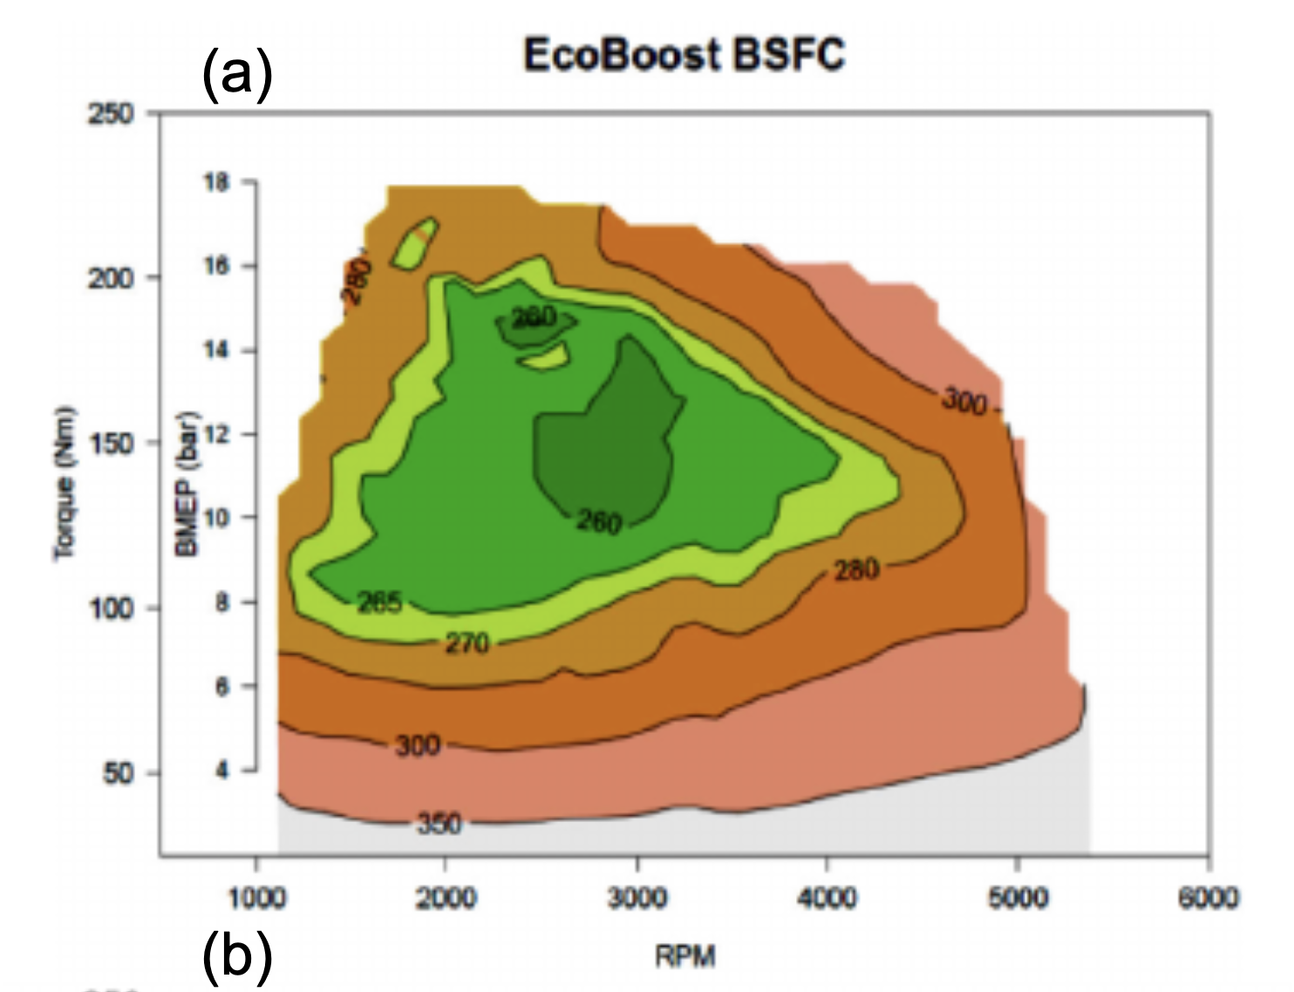
 |  |  | 6200 | 106.1 | 15.4 | 30.8 | 46.2 | 61.6 | 77.0 | 92.4 | 107.8 | 123.2 | 174 | 900 | 2676 | 3607 | 4529 | 5436 | 6320 | 7175 | 7995 |  | 47.13 | 11.51 | 3269 |  | 70.70 | 28.46 | 2179 |  | 106.05 | 80.45 | 1453 |  | 141.40 | 177.75 |  |  | 176.74 | 335.46
 |  |  | 6300 | 102.3 | 15.2 | 30.3 | 45.5 | 60.6 | 75.8 | 90.9 | 106.1 | 121.3 | 177 | 885 | 2764 | 3694 | 4616 | 5523 | 6407 | 7262 | 8082 |  | 47.89 | 11.71 | 3152 |  | 71.84 | 29.11 | 2101 |  | 107.76 | 82.66 | 1401 |  | 143.68 | 182.99 |  |  | 179.59 | 345.69
 |  |  | 6400 | 97.8 | 14.9 | 29.8 | 44.8 | 59.7 | 74.6 | 89.5 | 104.4 | 119.4 | 180 | 870 | 2852 | 3783 | 4705 | 5611 | 6496 | 7351 | 8171 |  | 48.65 | 11.91 | 3013 |  | 72.98 | 29.78 | 2009 |  | 109.47 | 84.90 | 1339 |  | 145.96 | 188.31 |  |  | 182.45 | 356.09
 |  |  | 6500 | 92.6 | 14.7 | 29.4 | 44.1 | 58.8 | 73.5 | 88.1 | 102.8 | 117.5 | 183 | 856 | 2942 | 3873 | 4795 | 5701 | 6586 | 7441 | 8261 |  | 49.41 | 12.11 | 2853 |  | 74.12 | 30.46 | 1902 |  | 111.18 | 87.19 | 1268 |  | 148.24 | 193.72 |  |  | 185.30 | 366.65
 |  |  | 6600 |  | 14.5 | 28.9 | 43.4 | 57.9 | 72.3 | 86.8 | 101.3 | 115.7 | 186 | 842 | 3034 | 3964 | 4886 | 5793 | 6677 | 7533 | 8353 |  | 50.17 | 12.31 |  |  | 75.26 | 31.14 |  |  | 112.89 | 89.50 |  |  | 150.52 | 199.21 |  |  | 188.15 | 377.37
 |  |  | 6700 |  | 14.3 | 28.5 | 42.8 | 57.0 | 71.3 | 85.5 | 99.8 | 114.0 | 189 | 828 | 3127 | 4057 | 4979 | 5886 | 6770 | 7626 | 8446 |  | 50.93 | 12.52 |  |  | 76.40 | 31.84 |  |  | 114.60 | 91.85 |  |  | 152.80 | 204.78 |  |  | 191.00 | 388.26
 |  |  | 6800 |  | 14.0 | 28.1 | 42.1 | 56.2 | 70.2 | 84.3 | 98.3 | 112.3 | 192 | 816 | 3222 | 4152 | 5074 | 5981 | 6865 | 7720 | 8540 |  | 51.69 | 12.73 |  |  | 77.54 | 32.55 |  |  | 116.31 | 94.24 |  |  | 155.08 | 210.44 |  |  | 193.85 | 399.31
 |  |  | 6900 |  | 13.8 | 27.7 | 41.5 | 55.4 | 69.2 | 83.0 | 96.9 | 110.7 | 195 | 803 | 3318 | 4248 | 5170 | 6077 | 6961 | 7816 | 8636 |  | 52.45 | 12.94 |  |  | 78.68 | 33.26 |  |  | 118.02 | 96.66 |  |  | 157.36 | 216.18 |  |  | 196.70 | 410.52
 |  |  | 7000 |  | 13.6 | 27.3 | 40.9 | 54.6 | 68.2 | 81.9 | 95.5 | 109.1 | 198 | 791 | 3415 | 4346 | 5268 | 6174 | 7059 | 7914 | 8734 |  | 53.21 | 13.15 |  |  | 79.82 | 33.99 |  |  | 119.73 | 99.12 |  |  | 159.64 | 222.00 |  |  | 199.55 | 421.90

Prelim Gear Calcs. & Bearings
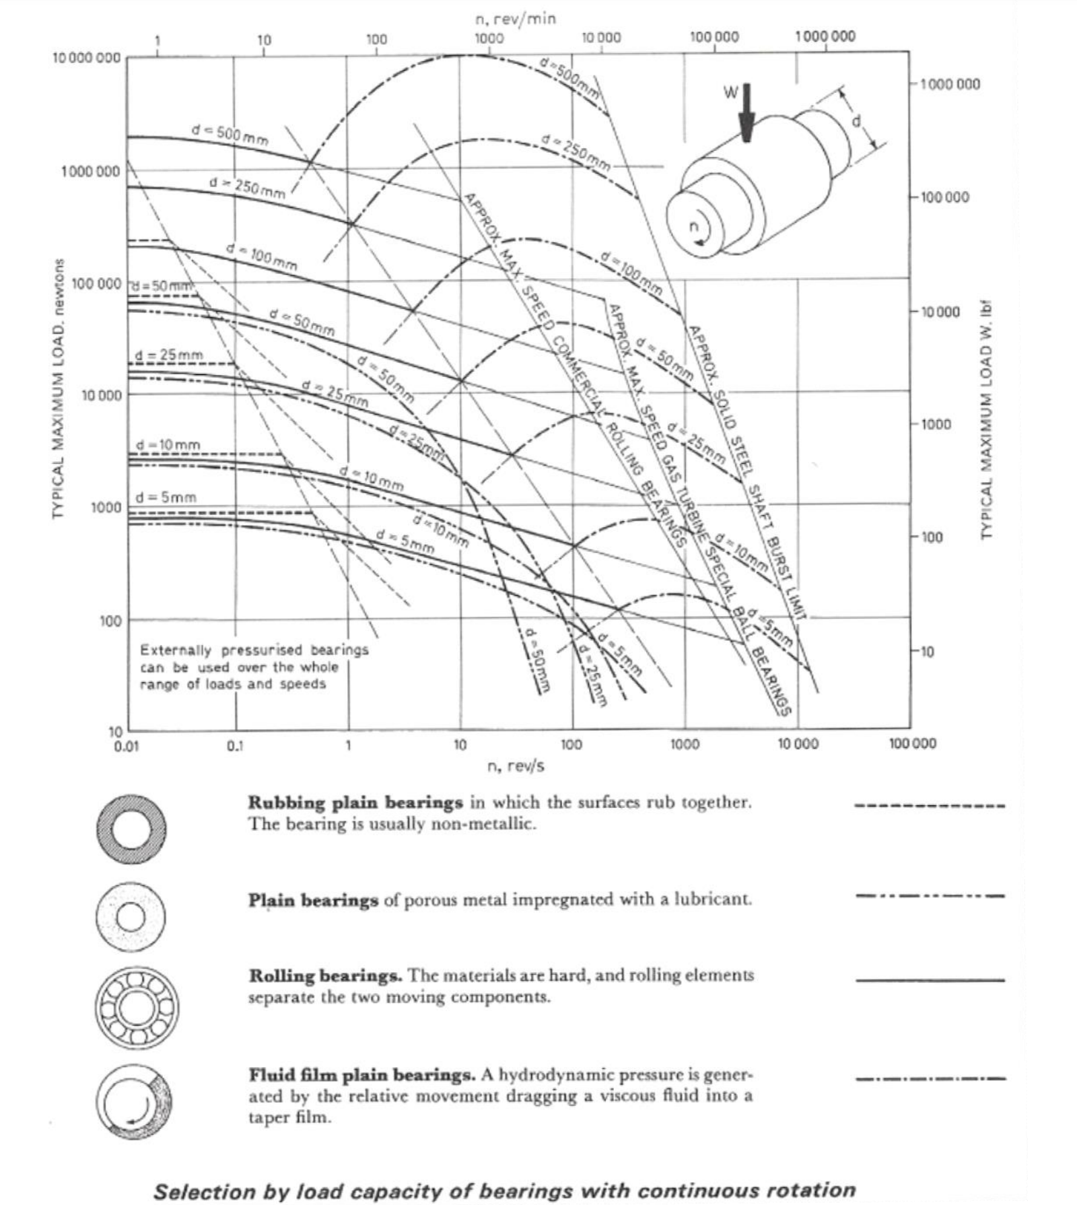
1. Gear Pair Specification
G, TD, reliability and material (stress hlim and stress fe)

Tnominal | 158 |  |  |  |  |  |  | Gear Speed 1 |  |  | Gear Speed 2 |  |  | Gear Speed 3 |  |  | Gear Speed 4 |  |  | Gear Speed 5 |  |  | FDR
Input Speed | 3500 |  |  |  |  |  |  | First Stage |  |  | First Stage |  |  | First Stage |  |  | First Stage |  |  | First Stage |  |  | First Stage

Application Factor Ka (for moderate shock multicylinder engines) | 1.5 |  |  |  |  |  |  | Application Factor Ka (for moderate shock multicylinder engines) | 1.5 |  | Application Factor Ka (for moderate shock multicylinder engines) | 1.5 |  | Application Factor Ka (for moderate shock multicylinder engines) | 1.5 |  | Application Factor Ka (for moderate shock multicylinder engines) | 1.5 |  | Application Factor Ka (for moderate shock multicylinder engines) | 1.5 |  | Application Factor Ka (for moderate shock multicylinder engines) | 1.5

Lifetime | 10000 | picked based on avg mileage | w 1.25 safety factor |  |  |  |  | Tnominal | 13 |  | Tnominal | 30 |  | Tnominal | 84 |  | Tnominal | 125 |  | Tnominal | 158 |  | Tnominal | 89
 |  |  | Chosen total contact ratio | helix Angle | AN |  |  | Input Speed | 3500 |  | Input Speed | 3500 |  | Input Speed | 3500 |  | Input Speed | 3500 |  | Input Speed | 3500 |  | Input Speed | 6205
 |  |  |  |  |  |  |  | pINION Peripheral speed m/s | 6.3482977748 |  | pINION Peripheral speed m/s | 9.2050317735 |  | pINION Peripheral speed m/s | 12.590790587 |  | pINION Peripheral speed m/s | 14.812694808 |  | pINION Peripheral speed m/s | 24.758361322 |  | pINION Peripheral speed m/s | 22.507601202
NL (number of tooth load cycles | 2100000000 |  | 1.5 | 0.5235987756 | 0.3490658504 |  |  | Wheel Peripehral speed | 13.490132771 |  | Wheel Peripehral speed | 13.014010438 |  | Wheel Peripehral speed | 11.850155846 |  | Wheel Peripehral speed | 10.580496291 |  | Wheel Peripehral speed | 13.966255105 |  | Wheel Peripehral speed | 95.657305107
 |  |  |  |  |  |  |  | Lifetime | 10000 |  | Lifetime | 10000 |  | Lifetime | 10000 |  | Lifetime | 10000 |  | Lifetime | 10000 |  | Lifetime | 10000
Yn | 1
Zn | 1 |  |  |  |  |  |  | NL (number of tooth load cycles | 2100000000 | 10^9 power | NL (number of tooth load cycles | 2100000000 |  | NL (number of tooth load cycles | 2100000000 |  | NL (number of tooth load cycles | 2100000000 |  | NL (number of tooth load cycles | 2100000000 |  | NL (number of tooth load cycles | 3722727272.7
Yx | 1
Mq | 1 |  |  |  |  |  |  | Yn | 1 |  | Yn | 1 |  | Yn | 1 |  | Yn | 1 |  | Yn | 1 |  | Yn | 1
 |  |  |  |  |  |  |  | Zn | 1 |  | Zn | 1 |  | Zn | 1 |  | Zn | 1 |  | Zn | 1 |  | Zn | 1
 |  |  |  |  |  |  |  | Yx | 1 |  | Yx | 1 |  | Yx | 1 |  | Yx | 1 |  | Yx | 1 |  | Yx | 1
Material | EN39 |  |  |  |  |  |  | Mq | 1.2 |  | Mq | 1.2 |  | Mq | 1.2 |  | Mq | 1.2 |  | Mq | 1.2 |  | Mq | 1.2
 |  |  |  |  |  |  |  | Y | 2.9 |  | Y | 2.9 |  | Y | 2.9 |  | Y | 2.9 |  | Y | 2.9 |  | Y | 2.9
Material Stresses and safety facctors |  |  | Permissible stresses | Bending Fatige limit* Strength life factor* Size factor * material quality factor |  |  |  | TD | 19.731050287 |  | TD | 45.69 |  | TD | 126.285 |  | TD | 187.5 |  | TD | 237.615 |  | TD | 134.03923077
 |  |  |  |  |  |  |  | Gear Quality | 6 |  | Gear Quality | 6 |  | Gear Quality | 6 |  | Gear Quality | 6 |  | Gear Quality | 6 |  | Gear Quality | 6
Hlim | 1500 |  | Bending FP | 920 |  |  |  | Kv | 1.25 |  | Kv | 1.2 |  | Kv | 1.32 |  | Kv | 1.32 |  | Kv | 1.32 |  | Kv | 1.45
Fe | 920 |  | Surface stress HP | 1500 |  |  |  | Kv- helical | 1.15 |  | Kv- helical | 1.12 |  | Kv- helical | 1.192 |  | Kv- helical | 1.192 |  | Kv- helical | 1.192 |  | Kv- helical | 1.27
Sh | 1.275 |  |  |  |  |  |  | Khb | 2.5 |  | Khb | 2.5 |  | Khb | 1.7 |  | Khb | 1.6 |  | Khb | 1.75 |  | Khb | 1.75
Sf | 1.94 |  | Gear Shifts | Total Gear Ratio | G1 | G2 |  | khb(crowned) | 1.75 |  | khb(crowned) | 1.75 |  | khb(crowned) | 1.35 |  | khb(crowned) | 1.3 |  | khb(crowned) | 1.375 |  | khb(crowned) | 1.375
Youngs Modulus |  |  | 1 | 2.1176470588 | 1.4552137502 | 1.4552137502 |  | KFB | 1.575 |  | KFB | 1.575 |  | KFB | 1.215 |  | KFB | 1.17 |  | KFB | 1.2375 |  | KFB | 1.2375
 |  |  | 2 | 1.4117647059 | 1.1881770516 | 1.1881770516 |  | c | 0.3 |  | c | 0.3 |  | c | 0.3 |  | c | 0.3 |  | c | 0.3 |  | c | 0.3
Hardness |  |  | 3 | 0.94117647059 | 0.97014250015 | 0.97014250015 |  | Gear ratio | 2.116 |  | Gear ratio | 1.41 |  | Gear ratio | 0.941 |  | Gear ratio | 0.70588235294 |  | Gear ratio | 0.56470588235 |  | Gear ratio | 4.25
Surface | 270 |  | 4 | 0.70588235294 |  |  |  | Kha | 1.2 |  | Kha | 1.2 |  | Kha | 1.2 |  | Kha | 1.2 |  | Kha | 1.2 |  | Kha | 1.2
Core | 650 |  | 5 | 0.56470588235 |  |  |  | d1, min | 36.418847514 |  | d1 | 50.191320908 |  | d1 | 70.221398385 |  | d1 | 83.396812044 |  | d1 | 96.240523271 |  | d1 | 62.044955681
 |  |  |  |  |  |  |  | d2, min | 77.06228134 |  | d2 | 70.769762481 |  | d2 | 66.07833588 |  | d2 | 58.868337913 |  | d2 | 54.347589612 |  | d2 | 263.69106165
 |  |  |  |  |  |  |  | Module, min (mm) | 1.0984918693 |  | Module, min (mm) | 1.3043169243 |  | Module, min (mm) | 1.5121190887 |  | Module, min (mm) | 1.5327987294 |  | Module, min (mm) | 1.5427658117 |  | Module, min (mm) | 2.2309433345

 |  |  |  |  |  |  |  | Z1 | 28.711771115 |  | Z1 | 33.325458058 |  | Z1 | 40.217411012 |  | Z1 | 47.118878976 |  | Z1 | 54.02423193 |  | Z1 | 24.085106495
Failure probability | 0.10% |  | FDR | 4.25 |  |  |  | Z2 | 60.754107679 |  | Z2 | 46.988895862 |  | Z2 | 37.844583763 |  | Z2 | 33.26038516 |  | Z2 | 30.50780156 |  | Z2 | 102.3617026

b/d (standard for automotiver applications) | 0.3 |  | Do final drie gear pair |  |  |  |  | Chosen Z1 | 24 |  | Chosen Z1 | 29 |  | Chosen Z1 | 34 |  | Chosen Z1 | 35 |  | Chosen Z1 | 39 |  | Chosen Z1 | 20
 |  |  | Also account nfor final drive ratio -take from ford car design |  |  |  |  | Chosen Z2 | 51 |  | Chosen Z2 | 41 |  | Chosen Z2 | 32 |  | Chosen Z2 | 25 |  | Chosen Z2 | 22 |  | Chosen Z2 | 85
 |  |  |  |  |  |  |  | Chosen Module | 1.25 |  | Chosen Module | 1.5 |  | Chosen Module | 1.75 |  | Chosen Module | 2 |  | Chosen Module | 3 |  | Chosen Module | 3
 |  |  | Make 4th gear 1:1 |  |  |  |  | Chosen D1 | 34.641016151 |  | Chosen D1 | 50.229473419 |  | Chosen D1 | 68.704682034 |  | Chosen D1 | 80.829037687 |  | Chosen D1 | 135.09996299 |  | Chosen D1 | 69.282032303
 |  |  |  |  |  |  |  | Chosen D2 | 73.612159322 |  | Chosen D2 | 71.01408311 |  | Chosen D2 | 64.663230149 |  | Chosen D2 | 57.735026919 |  | Chosen D2 | 76.210235533 |  | Chosen D2 | 294.44863729
 |  |  |  |  |  |  |  | b | 22.083647797 | 22.1 | b | 21.304224933 |  | b | 20.61140461 |  | b | 24.248711306 |  | b | 40.529988897 |  | b | 88.334591186
 |  |  |  |  |  |  |  | Zh | 2.5 |  | Zh | 2.5 |  | Zh | 2.5 |  | Zh | 2.5 |  | Zh | 2.5 |  | Zh | 2.5
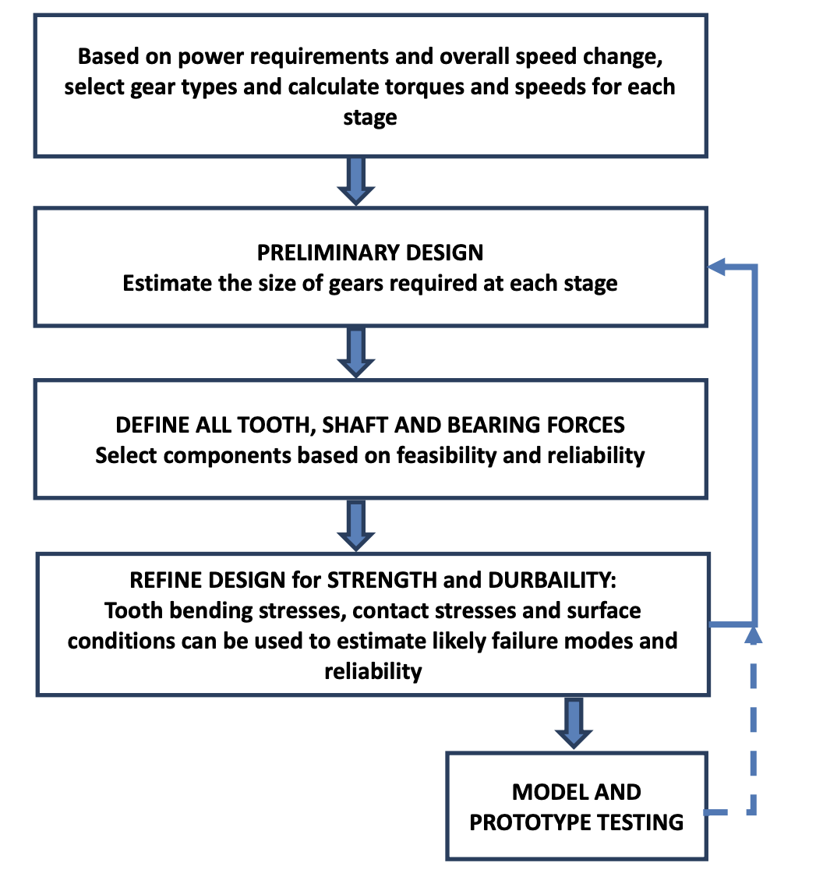
 |  |  |  |  |  |  |  | ZE | 190 | Aim for between | ZE | 190 |  | ZE | 190 |  | ZE | 190 |  | ZE | 190 |  | ZE | 190
 |  |  |  |  |  |  |  | Ze | 0.83 |  | Ze | 0.83 |  | Ze | 0.83 |  | Ze | 0.83 |  | Ze | 0.83 |  | Ze | 0.83
 |  |  |  |  |  |  |  | Zb | 0.96 |  | Zb | 0.96 |  | Zb | 0.96 |  | Zb | 0.96 |  | Zb | 0.96 |  | Zb | 0.96

 |  |  |  |  |  |  |  | Actual Gear ratio | 2.125 |  | Actual Gear ratio | 1.4137931034 |  | Actual Gear ratio | 0.94117647059 |  | Actual Gear ratio | 0.71428571429 |  | Actual Gear ratio | 0.5641025641 |  | Actual Gear ratio | 4.25
 |  |  |  |  |  |  |  | Actual SF | 1.9973020402 |  | Actual SF | 2.234445978 |  | Actual SF | 1.9038363997 |  | Actual SF | 1.2131833469 |  | Actual SF | 2.3655581858 |  | Actual SF | 3.2528401752
 |  |  |  |  |  |  |  | Actual SH Safety factor | 2.1584403335 |  | Actual SH Safety factor | 2.3290828349 |  | Actual SH Safety factor | 2.0547118295 |  | Actual SH Safety factor | 1.3439580142 |  | Actual SH Safety factor | 1.637882258 |  | Actual SH Safety factor | 2.7435903809
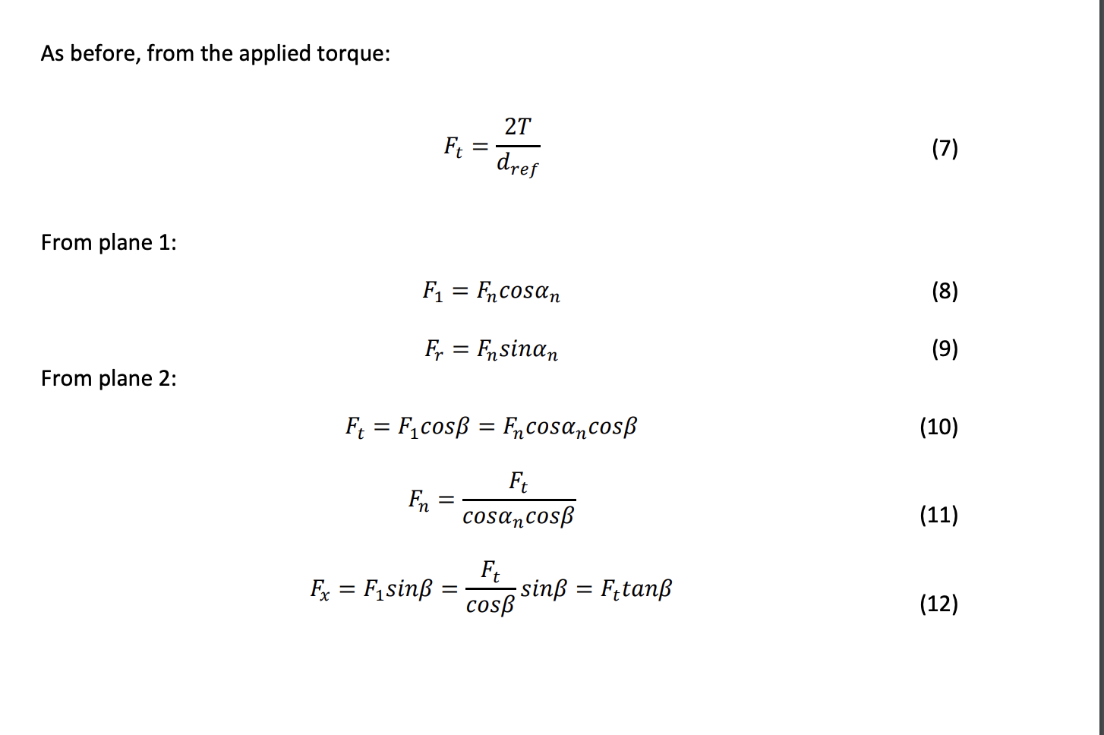
 |  |  |  |  |  |  |  | Safety factor too high- can lower Gear Quality |  |  | Safety factor too high- can lower Gear Quality |  |  | Safety factor too high- can lower Gear Quality |  |  | Safety factor too high- can lower Gear Quality |  |  | Safety factor too high- can lower Gear Quality |  |  | Safety factor too high- can lower Gear Quality
 |  |  |  |  |  |  |  | Total transmission ratio | 9.03125 |  | Total transmission ratio | 6.0086206897 |  | Total transmission ratio | 4 |  | Total transmission ratio | 3.0357142857 |  | Total transmission ratio | 2.3974358974 |  | Total transmission ratio | 2.4

 |  |  |  |  |  |  |  | Zv1 | 36.950417228 |  | Zv1 | 44.648420817 |  | Zv1 | 52.346424407 |  | Zv1 | 53.886025124 |  | Zv1 | 60.044427996 |  | Zv1 | 30.792014357
 |  |  |  |  |  |  |  | Zv2 | 78.51963661 |  | Zv2 | 63.123629431 |  | Zv2 | 49.267222971 |  | Zv2 | 38.490017946 |  | Zv2 | 33.871215792 |  | Zv2 | 130.86606102
 |  |  |  |  |  |  |  | Zv sum | 115.47005384 |  | Zv sum | 107.77205025 |  | Zv sum | 101.61364738 |  | Zv sum | 92.37604307 |  | Zv sum | 93.915643788 |  | Zv sum | 161.65807537
 |  |  |  |  |  |  |  | Half Zv | 57.735026919 |  | Half Zv | 53.886025124 |  | Half Zv | 50.806823689 |  | Half Zv | 46.188021535 |  | Half Zv | 46.957821894 |  | Half Zv | 80.829037687
 |  |  |  |  |  |  |  | x1 | 0.3 |  | x1 | 0.3 |  | x1 | 0.3 |  | x1 | 0.3 |  | x1 | 0.3 |  | x1 | 0.3
 |  |  |  |  |  |  |  | x2 | 0 |  | x2 | 0.3 |  | x2 | 0.3 |  | x2 | 0.3 |  | x2 | 0.3 |  | x2 | 0.3

 |  |  |  |  |  | Forces on Gears

 |  |  |  |  |  |  | Gear Speed/stage | 1 | 2 | 3 | 4 | 5 | FDR | Reverse | Sum Shaft 1 | Sum Shaft 2
 |  |  |  |  |  |  | Td | 19.731050287 | 45.69 | 126.285 | 187.5 | 237.615 | 134.03923077 |  | 616.82105029 | 750.86028106
 |  |  |  |  |  |  | Dref(min) | 34.641016151 | 50.229473419 | 68.704682034 | 80.829037687 | 135.09996299 | 69.282032303 |  | 369.50417228 | 438.78620458
 |  |  |  |  |  |  | Ft x axis | 1.1391727195 | 1.8192506068 | 3.6761686762 | 4.639421806 | 3.5176175439 | 3.8693792983 |  | 14.791631352 | -10.922252054
 |  |  |  |  |  |  | Fn | 1.3998230096 | 2.2355072379 | 4.5173005041 | 5.7009523525 | 4.3224718189 | 4.7547190008 |  | 18.176054923 | -13.421335922
 |  |  |  |  |  |  | Fr y aixs | 0.47876766636 | 0.76458850591 | 1.5450077659 | 1.9498405407 | 1.478372431 | 1.6262096741 |  | 6.2165769099 | -4.5903672357
 |  |  |  |  |  |  | Fx z axis | 0.65770167625 | 1.0503448276 | 2.1224369748 | 2.6785714286 | 2.0308974359 | 2.2339871795 | 0 | 8.5399523431 | -6.3059651636

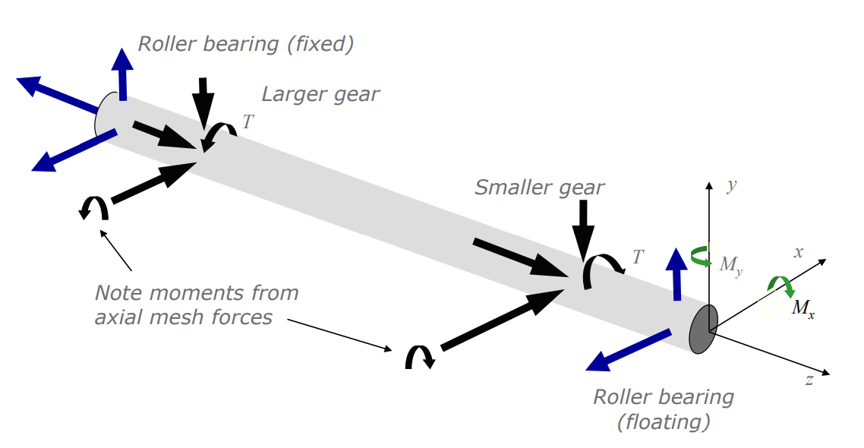
 |  |  |  |  |  | Bearing cALCULATIONS

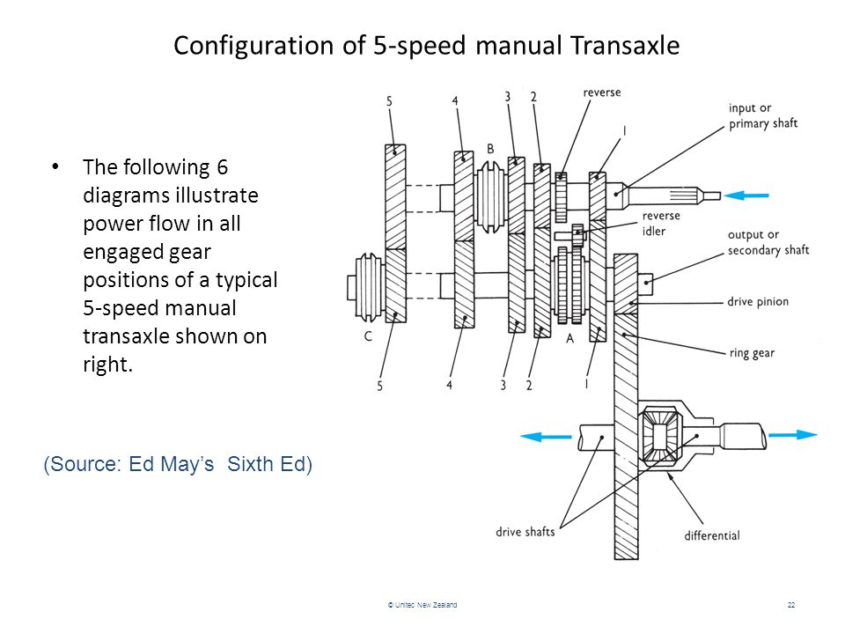
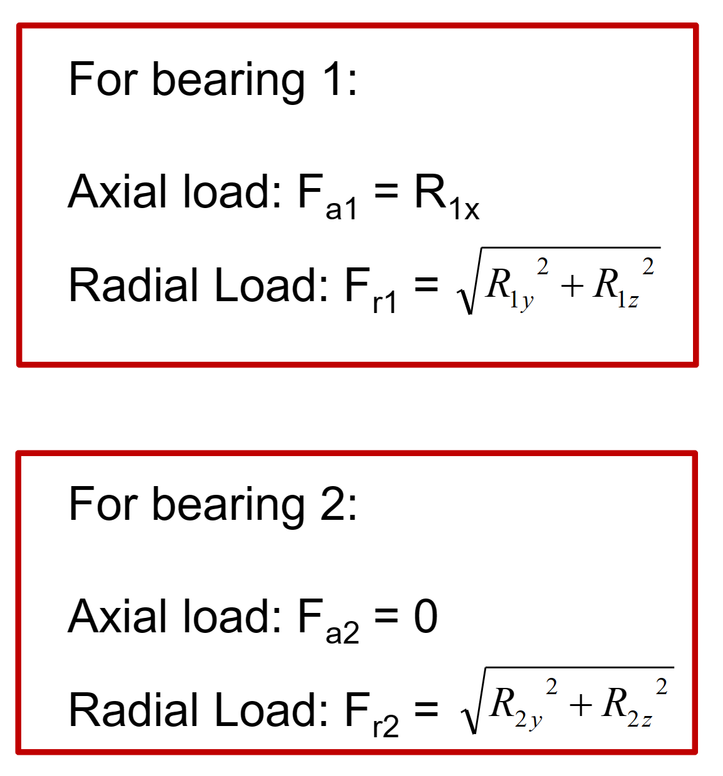
 |  |  |  |  |  |  | Design based on largest forces

 |  |  |  |  |  |  |  |  |  |  |  |  |  | At each point, radial tangential and axial forces exist

1
2
3
4
5
6

 |  |  |  |  |  |  |  |  |  |  |  |  |  |  |  |  |  | RH axes
 |  |  |  |  |  |  |  |  |  |  |  |  |  |  |  | Shaft 1 Input shaft |  | Ft is x direction
 |  |  |  |  |  |  |  |  |  |  |  |  |  | At bearing location moments about x and y exis |  |  |  | Fr is y | Fx is z

 |  |  |  |  |  |  | Shaft speed ω (rpm) | 3500
 |  |  |  |  |  |  | Shaft diameter d (mm) | 20
Modified Bearing Life -if bearings lubricated-
*values from SKF*
 |  |  |  |  |  |  | Bearing 1 | TYPE: RS PRO | DGBB 6804-2RS |  | n= | 3
 |  |  |  |  |  |  |  | Fa (kN) | Fr (kN) | Fa/Fr | C (kN) | C0 (kN) | Fa/C0 | e | X | Y | P (kN) | L10 (million revs) | L10h (hrs)
 |  |  |  |  |  |  |  | 0.000 | 0.000 | #DIV/0! | 3.6 | 2.223 | 0 | 0.29 | 0.56 | 1.49 | 0.000 | #DIV/0! | #DIV/0!

 |  |  |  |  |  |  | Bearing 2 | TYPE: RS PRO | DGBB 6804-2RS |  | n= | 3
 |  |  |  |  |  |  | (floating) | 0 | 0.000 | - | 3.6 | 2.223 | - | - | - | - | 0.000 | #DIV/0! | #DIV/0! |  | a1 | ν (mm2/s) | dm (mm) | ν1 (mm2/s) | κ | ηc | Pu (kN) | ηcPu/P | amod | L10hmod (hrs)
 |  |  |  |  |  |  |  |  |  |  |  |  |  |  |  |  |  |  |  |  | 1 | 128 | 26 | 109 | 1.17 | 0.3 | 0.104 | #DIV/0! | 1.2 | #DIV/0!
 |  |  |  |  |  |  | ID (mm) | OD (mm) | B (mm) | m (kg) |  |  | Total Frictional Moment (Nmm) |  |  | Power Loss (W)
 |  |  |  |  |  |  | 20 | 32 | 7 | 0.019 |  | 1 | 42.2 |  |  | 0
 |  |  |  |  |  |  |  |  |  |  |  | 2 | 40.5 |  |  | 0 |  |  |  |  | 1 | 128 | 26 | 109 | 1.17 | 0.3 | 0.104 | #DIV/0! | 1.2 | #DIV/0!
 |  |  |  |  |  |  | Bearing 1 RS part no.: |  | 619-0323 | £3.88
 |  |  |  |  |  |  | Bearing 2 RS part no.: |  | 619-0323 | £3.88

Graphs for prelim
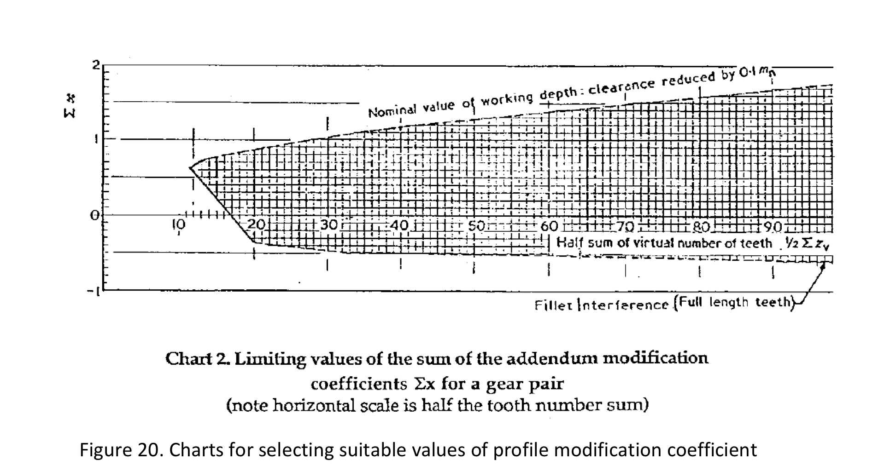
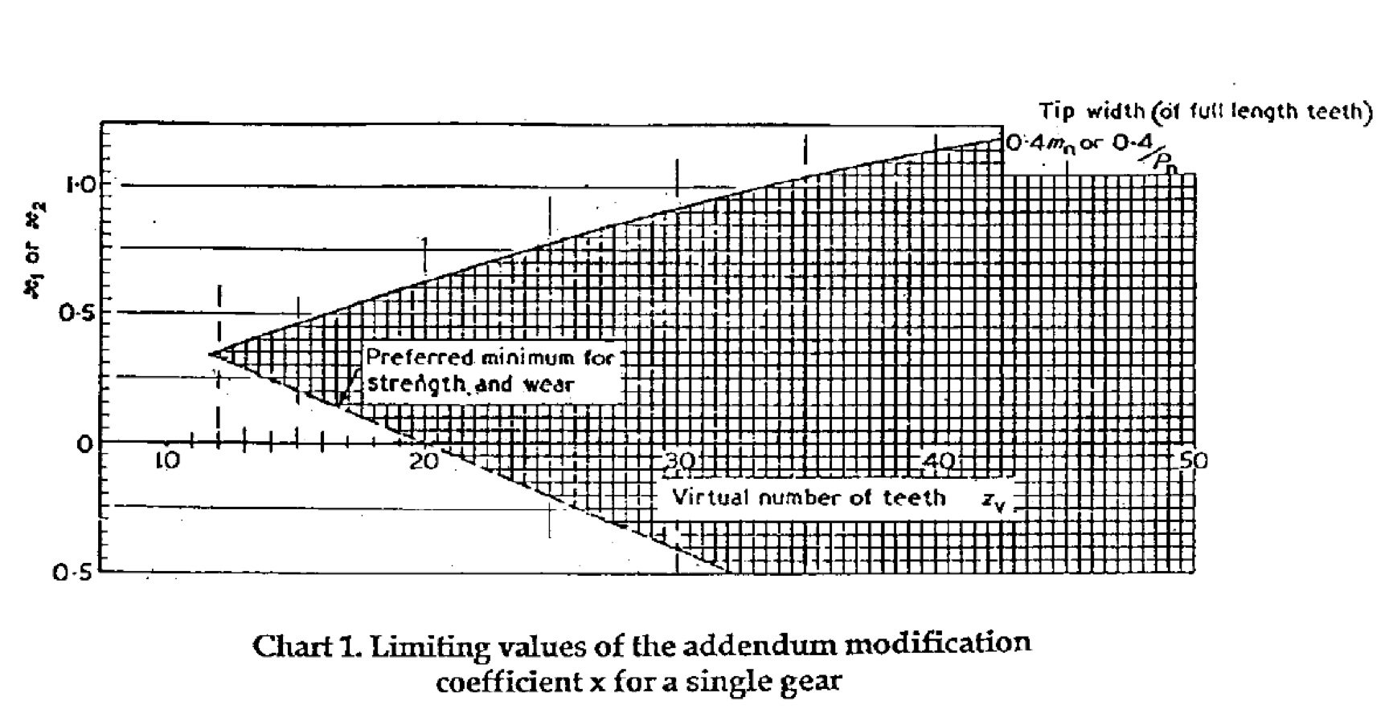
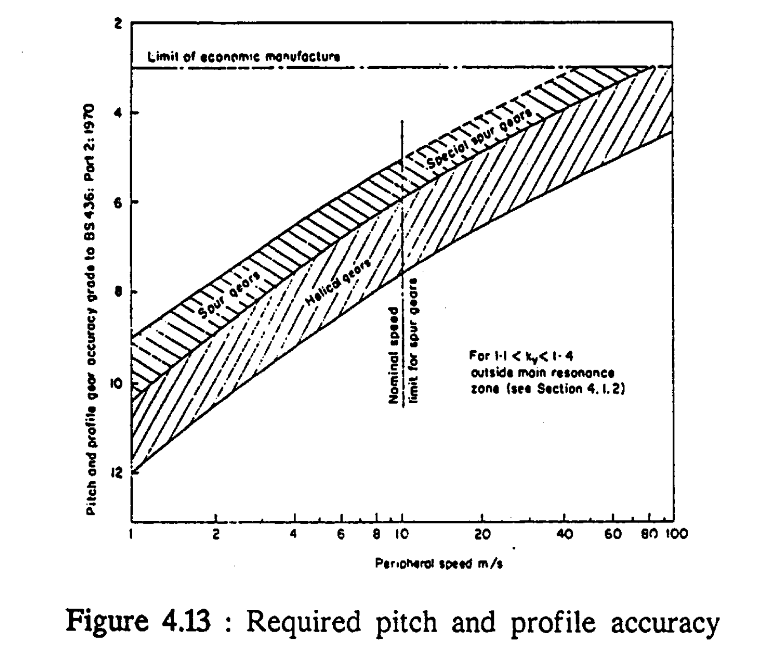
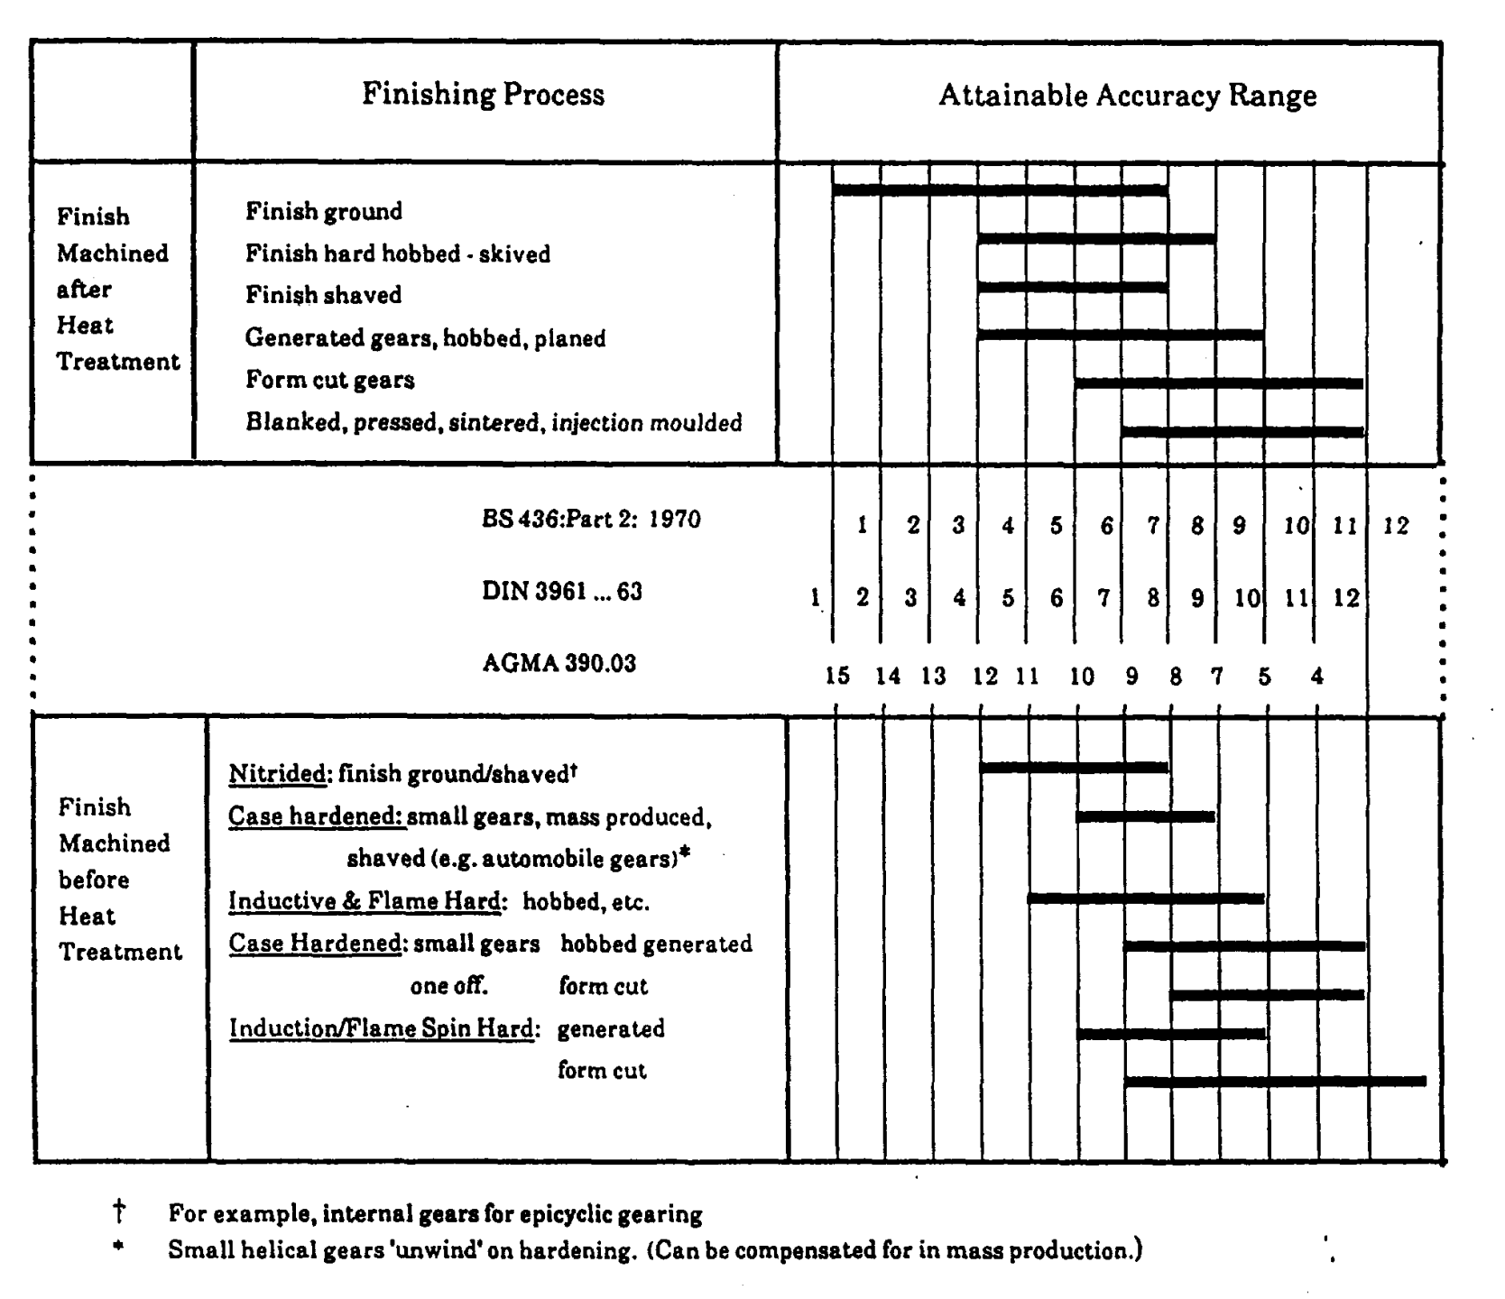
Step 1 Gear Material, ka factor and safety factors
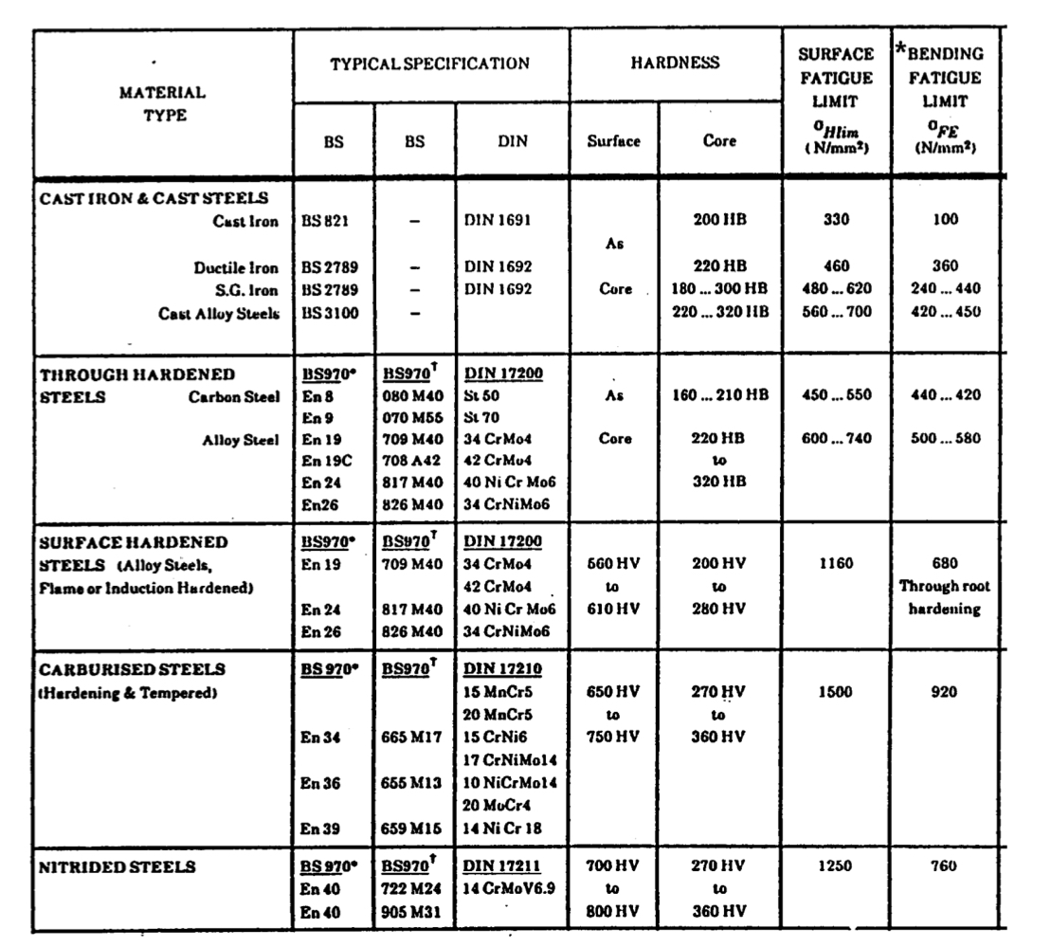
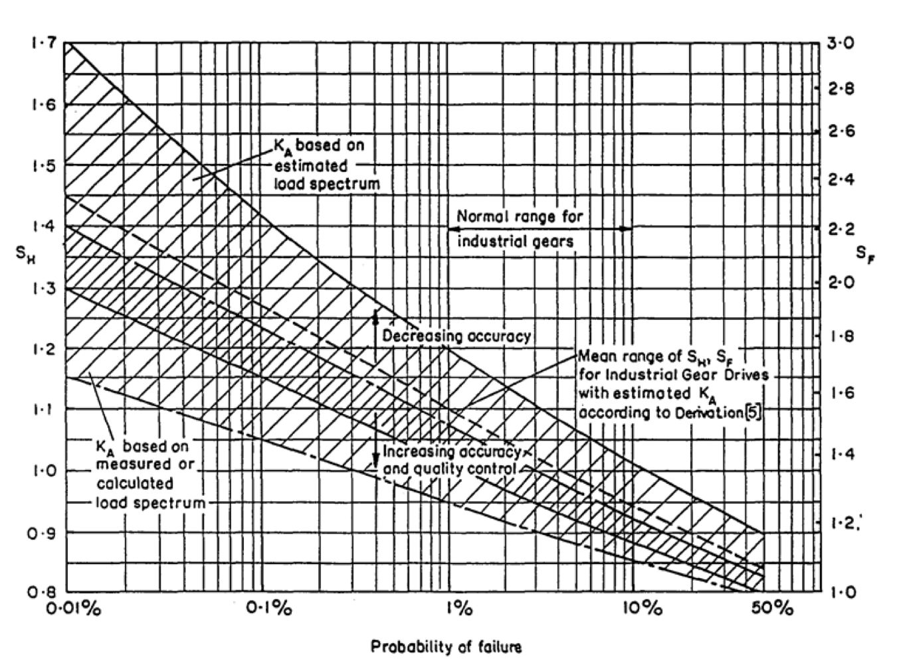

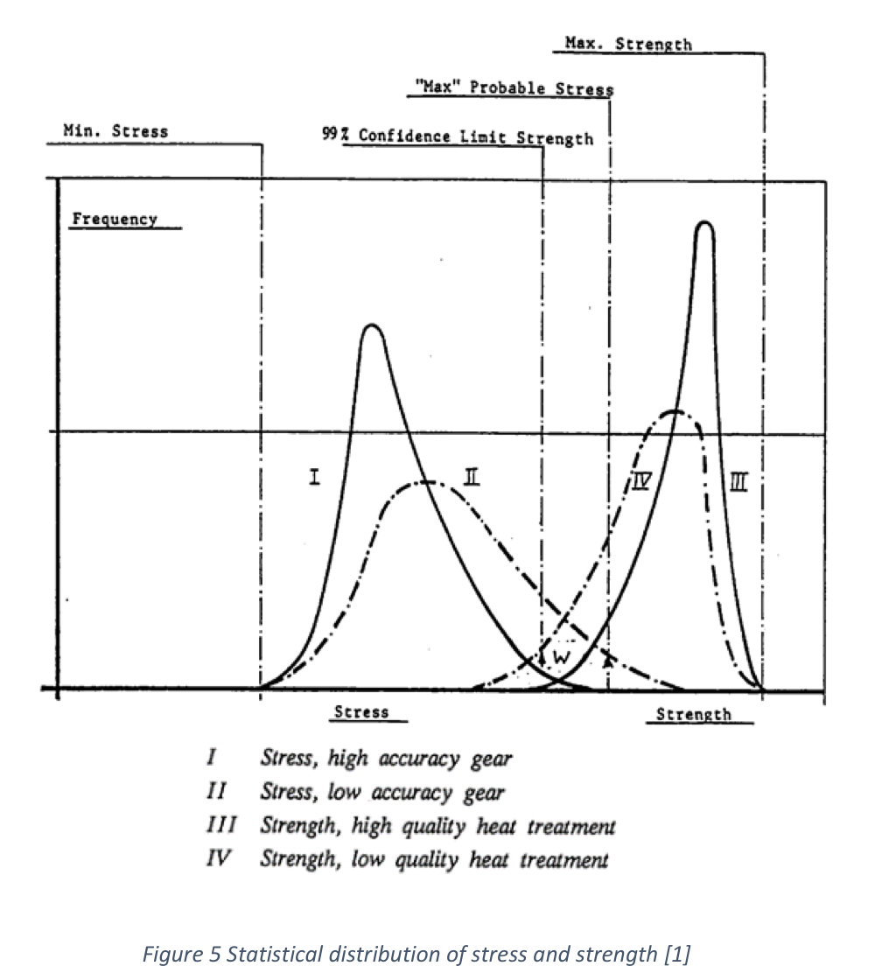

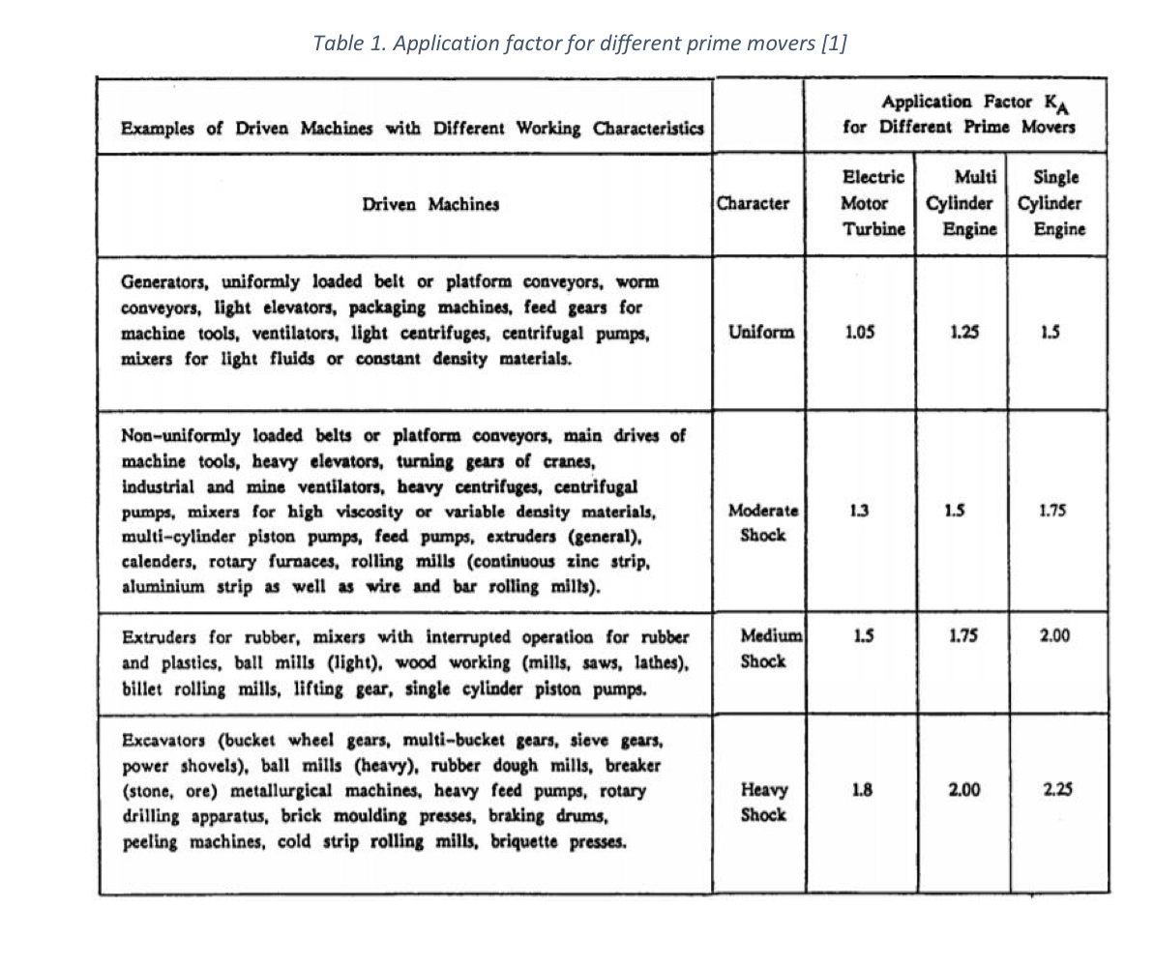

Step 2 Calculate Yn, Zn Mq and NL based on lifetime (avg mileage before gearbox breaks *1.25 for safety - will have to refine later after calculating l10 of bearings etc)
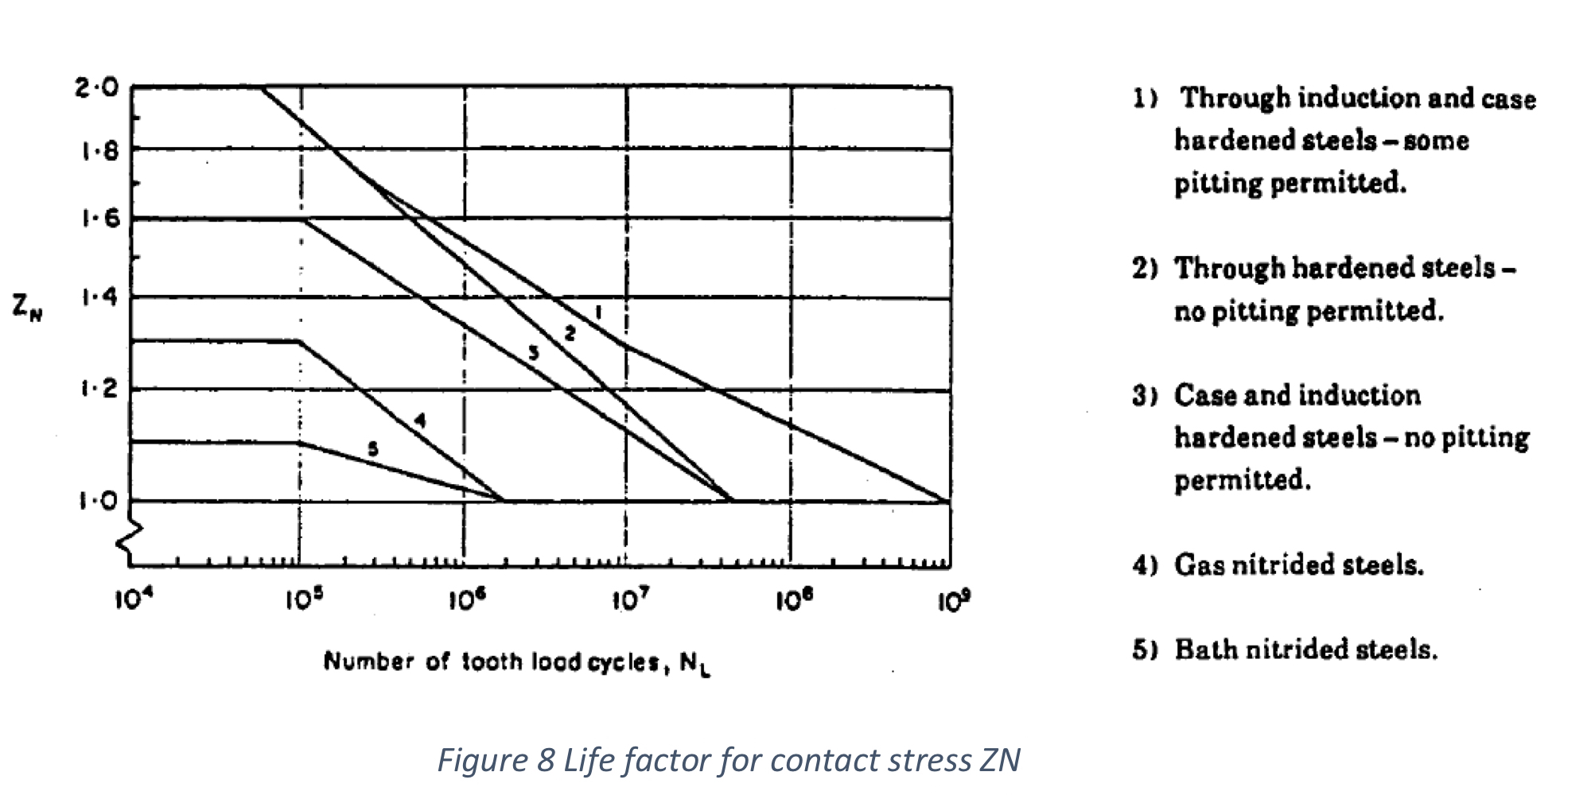
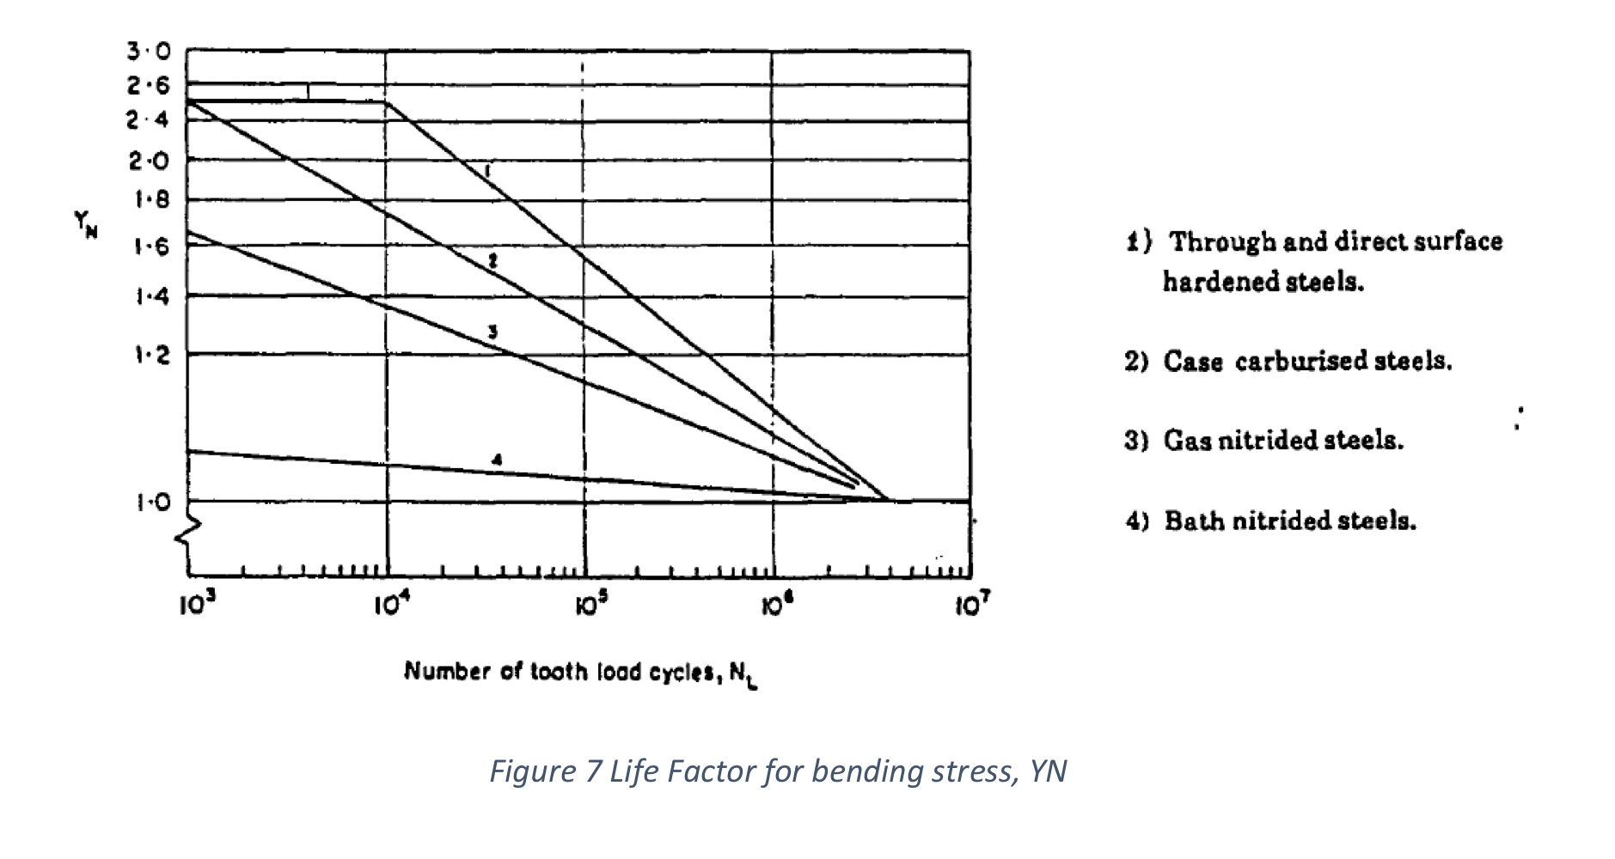

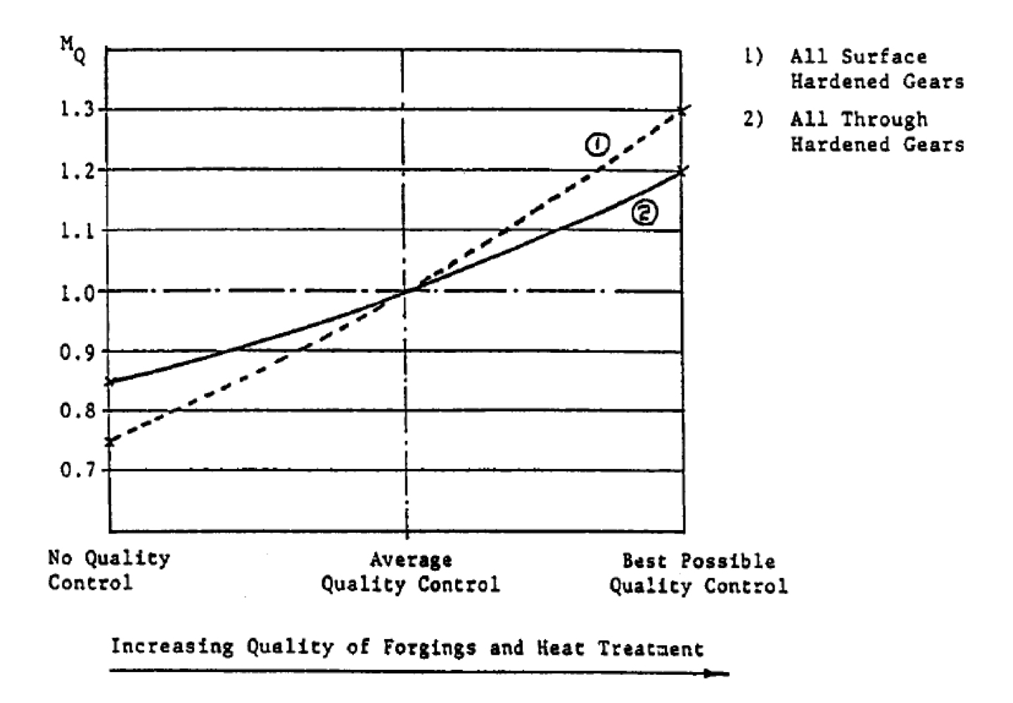
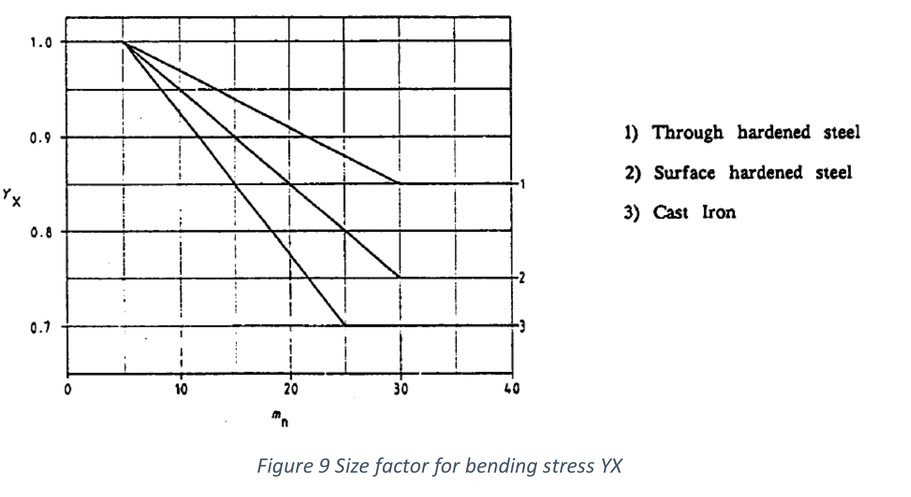

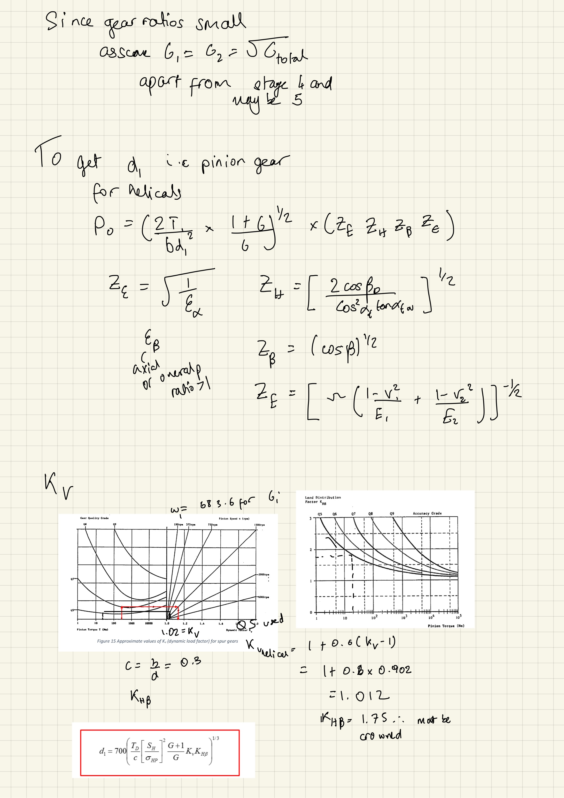

 |  | Speed decreasing so pinion speed is lower

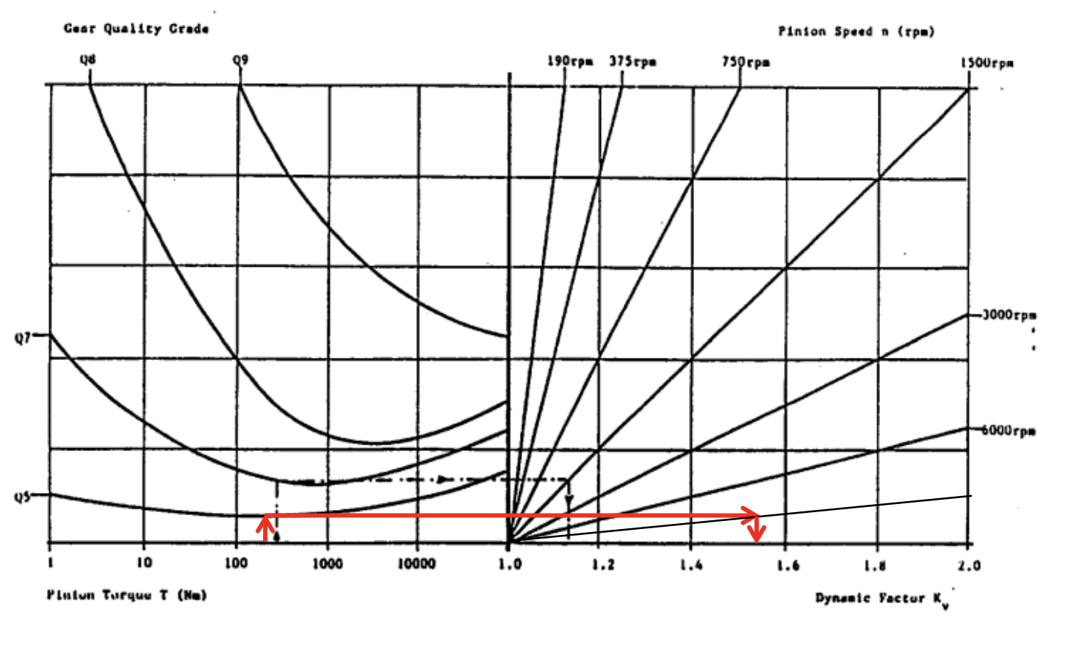

 |  | For Gear speed 1

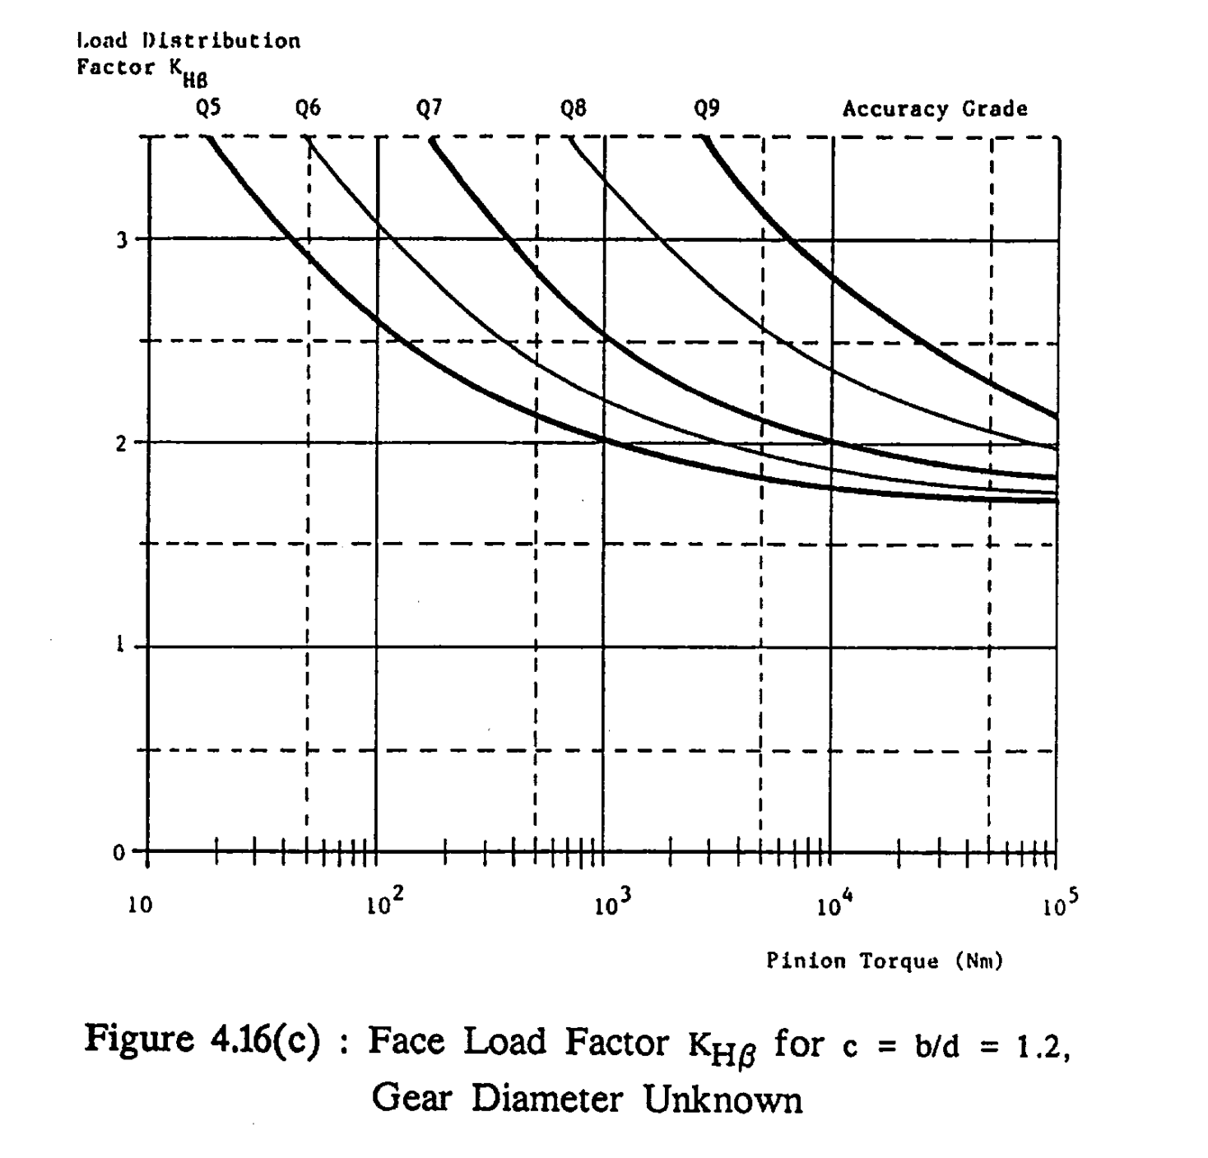
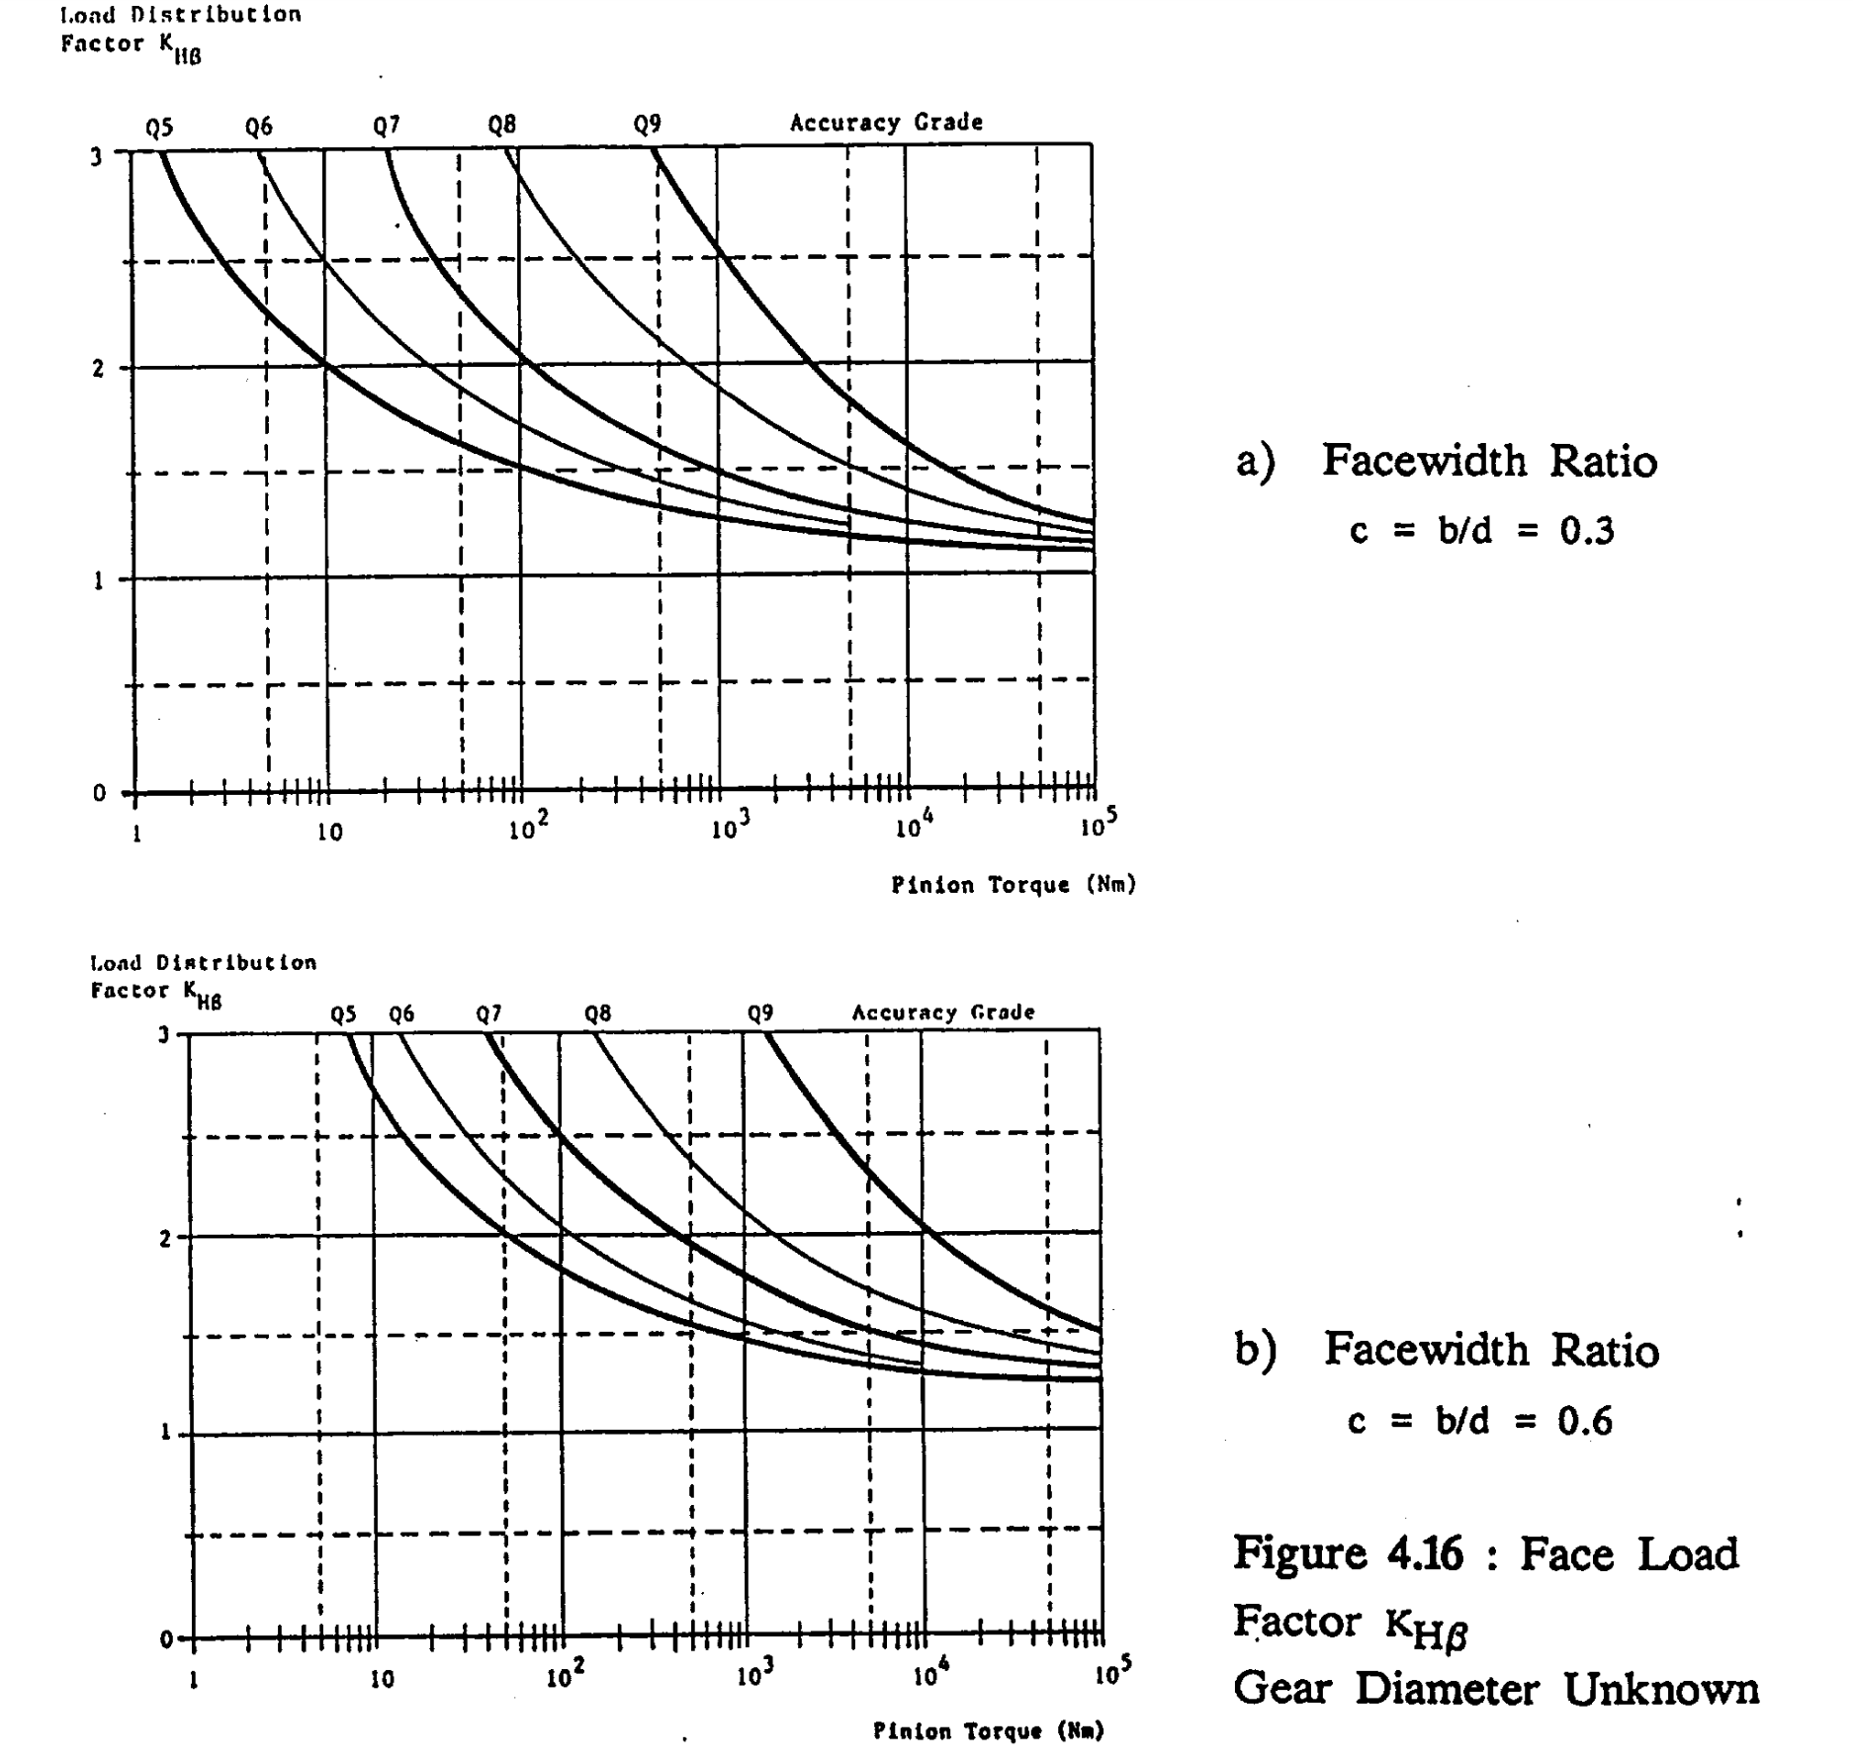

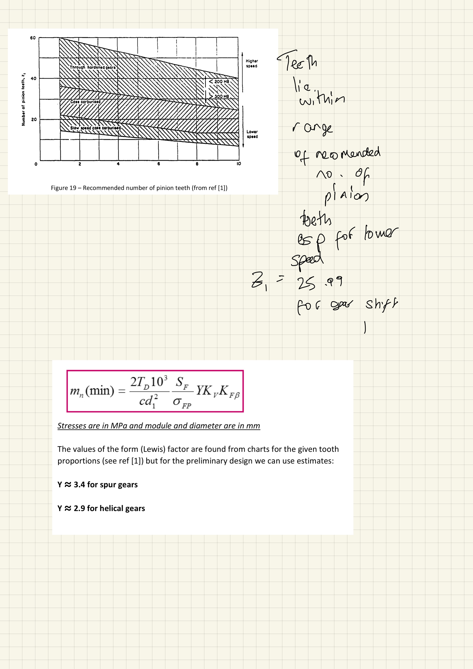

 | Kfb=0.9khb

Bearings
bearing calcs

Forces

FDR

Stress Calcs Kn and Mpa

Ft1 | 3.8693792983

 |  |  |  |  |  |  |  |  |  |  |  |  |  |  |  |  |  |  | RH axes
Fr1 | 8.6564242446 |  |  |  |  |  |  |  |  |  |  |  |  |  |  |  |  |  | Ft is x direction
 |  |  |  |  |  |  |  |  |  |  |  |  | Shaft 1 Input shaft |  |  |  |  |  | Fr is y | Fx is z
1
2
3
4
5
6
Fn1 | 9.4818656844 |  |  | Shaft 1
 |  |  |  | Force | Value (KN)
 |  |  |  | X | 8.42 |  |  |  |  |  |  |  | At each point, radial tangential and axial forces exist
Fx1 | 2.2339871795 |  |  | 1 | 0.65770167625
 |  |  |  | 2 | 1.0503448276
Modified Bearing Life -if bearings lubricated-
*values from SKF*
 |  |  |  | 3 | 2.0045238095
Gear Speed 5 |  |  |  | 4 | 2.6785714286
 |  |  |  | 5 | 2.0308974359 |  |  | Shaft speed ω (rpm) |  | 3500
Stress Calcs Kn and Mpa |  |  | Reverse gear | 6 | dk yet |  |  | Shaft diameter d (mm) |  | 20
 |  |  |  | Y | 32.63
Ft1 | 3.5176175439 |  |  | 1 | 2.5485127168 |  |  | Bearing 1 | TYPE: RS PRO | DGBB 6804-2RS |  | n= | 3
 |  |  |  | 2 | 4.0699564054 |  |  |  | Fa (kN) | Fr (kN) | Fa/Fr | C (kN) | C0 (kN) | Fa/C0 | e | X | Y | P (kN) | L10 (million revs) | L10h (hrs) | a1 | ν (mm2/s) | dm (mm) | ν1 (mm2/s) | κ | ηc | Pu (kN) | ηcPu/P | amod | L10hmod (hrs)
 |  |  |  | 3 | 7.7672820431 |  |  |  | 0.000 | 0.000 | #DIV/0! | 3.6 | 2.223 | 0 | 0.29 | 0.56 | 1.49 | 0.000 | #DIV/0! | #DIV/0! | 1 | 128 | 26 | 109 | 1.17 | 0.3 | 0.104 | #DIV/0! | 1.2 | #DIV/0!
Fr1 | 7.869476586 |  |  | 4 | 10.379133268
 |  |  |  | 5 | 7.869476586 |  |  | Bearing 2 | TYPE: RS PRO | DGBB 6804-2RS |  | n= | 3
 |  |  |  | 6 | dk yet |  |  | (floating) | 0 | 0.000 | - | 3.6 | 2.223 | - | - | - | - | 0.000 | #DIV/0! | #DIV/0! | 1 | 128 | 26 | 109 | 1.17 | 0.3 | 0.104 | #DIV/0! | 1.2 | #DIV/0!
Fn1 | 9.953377646 |  |  | Z | 14.59
 |  |  |  | 1 | 1.1391727195 |  |  | ID (mm) | OD (mm) | B (mm) | m (kg) |  |  | Total Frictional Moment (Nmm) |  |  | Power Loss (W)
 |  |  |  | 2 | 1.8192506068 |  |  | 20 | 32 | 7 | 0.019 |  | 1 | 42.2 |  |  | 0
Fx1 | 2.0308974359 |  |  | 3 | 3.4719370831 |  |  |  |  |  |  |  | 2 | 40.5 |  |  | 0
 |  |  |  | 4 | 4.639421806 |  |  | Bearing 1 RS part no.: |  | 619-0323 | £3.88
 |  |  |  | 5 | 3.5176175439 |  |  | Bearing 2 RS part no.: |  | 619-0323 | £3.88
Gear Speed 4 |  |  |  | 6 | dk yet

Stress Calcs Kn and Mpa

Ft1 | 4.639421806

Fr1 | 10.379133268

Fn1 | 27.859213388

Fx1 | 2.6785714286

Gear Speed 3

Stress Calcs Kn and Mpa

Ft1 | 3.4719370831

Fr1 | 7.7672820431

Fn1 | 20.848597113

Fx1 | 2.0045238095

Gear Speed 2
Stress Calcs Kn and Mpa

Ft1 | 1.8192506068

Fr1 | 4.0699564054

Fn1 | 10.924398122

Fx1 | 1.0503448276

Gear Speed 1 |  |  | G1 | G2 | G3 | G4 | G5
 |  | Gear Diameter (mm) | 34.641016151 | 50.191320908 | 72.746133918 | 80.829037687 | 135.09996299
Stress Calcs Kn and Mpa |  | Gear Radius (m) | 0.017320508076 | 0.025095660454 | 0.036373066959 | 0.040414518843 | 0.067549981495
 |  | Torque | 19.731050287 | 45.69 | 126.285 | 187.5 | 237.615
Ft1 | 1.1391727195 | Fty = Ft | 1139.1727195 | 1820.6334949 | 3471.9370831 | 4639.421806 | 3517.6175439
 |  | Helix angle | 0.5235987756 | 0.5235987756 | 0.5235987756 | 0.5235987756 | 0.5235987756
 |  | alpha n | 0.3490658504 | 0.3490658504 | 0.3490658504 | 0.3490658504 | 0.3490658504
Fr1 | 2.5485127168 | Ftx | 657.70167625 | 1051.1432384 | 2004.5238095 | 2678.5714286 | 2030.8974359
 |  | Ftz | 478.76766636 | 765.16970145 | 1459.1740011 | 1949.8405407 | 1478.372431

Fn1 | 3.2233795003 | R1x | 657.70167625 | 1051.1432384 | 2004.5238095 | 2678.5714286 | 2030.8974359

 |  | a
Fx1 | 0.65770167625 | b

 |  | R2y | #DIV/0! | #DIV/0! | #DIV/0! | #DIV/0! | #DIV/0!
 |  | R2z | #DIV/0! | #DIV/0! | #DIV/0! | #DIV/0! | #DIV/0!
 |  | R1y | #DIV/0! | #DIV/0! | #DIV/0! | #DIV/0! | #DIV/0!
 |  | R1z | #DIV/0! | #DIV/0! | #DIV/0! | #DIV/0! | #DIV/0!
 |  | Fr1 | #DIV/0! | #DIV/0! | #DIV/0! | #DIV/0! | #DIV/0!
 |  | Fr2 | #DIV/0! | #DIV/0! | #DIV/0! | #DIV/0! | #DIV/0!

